CSO Summary
Jul2022 CSO Report
 | Observed
CSO_04 | 0.12
CSO_05 | 0
CSO_07 | 0.02
CSO_09 | 0
CSO_10 | 0
CSO_11 | 0.05
CSO_12 | 0.08
CSO_14 | 0.14
CSO_15 | 0
CSO_16 | 0
CSO_17 | 0.24
CSO_18 | 0
CSO_19 | 0
CSO_20 | 0
CSO_21 | 0.07
CSO_24 | 0
CSO_25 | 0
CSO_26 | 0.42
CSO_31 | 0
CSO_33 | 0
CSO_34 | 0.21
CSO_35 | 0.06
CSO_39 | 0.27
CSO_40 | 2.229
Jul2022 CSO Report
 | Observed
CSO_06 | 23.09
Jul2022 Overflow Summary
4.5 MG Overflow Observed
 | Sensor Type | % of Report with Good Data | Number of Observed Activations | Observed Overflow Volume, MG
CSO_04 | Flow | 100 | 5 | 0.12
CSO_05 | Flow | 100 | 0 | 0
CSO_06 | Flow | 100 | 4 | 0.55
CSO_07 | Flow | 100 | 0 | 0.02
CSO_09 | Level | 100 | 0 | 0
CSO_10 | Level | 100 | 0 | 0
CSO_11 | Level | 100 | 1 | 0.05
CSO_12 | Flow | 100 | 1 | 0.08
CSO_14 | Level | 100 | 1 | 0.14
CSO_15 | Flow | 0 | 0 | 0
CSO_16 | Level | 100 | 0 | 0
CSO_17 | Level | 100 | 2 | 0.24
CSO_18 | Level | 100 | 0 | 0
CSO_19 | Level | 100 | 0 | 0
CSO_20 | Flow | 100 | 0 | 0
CSO_21 | Flow | 100 | 1 | 0.07
CSO_24 | Level | 100 | 0 | 0
CSO_25 | Level | 100 | 0 | 0
CSO_26 | Level | 100 | 1 | 0.42
CSO_31 | Level | 100 | 0 | 0
CSO_33 | Level | 100 | 0 | 0
CSO_34 | Flow | 100 | 3 | 0.21
CSO_35 | Flow | 100 | 3 | 0.06
CSO_39 | Flow | 100 | 4 | 0.27
CSO_40 | Flow | 100 | 7 | 2.23
Total |  |  | 33 | 4.46

Note: Activations are defined by CSO volumes > 0.01 MG and an interevent time of 12 hours
CSO_06 "Observed Overflow Volume" represents actual overflow volume without river intrusion included

CSO_04-Events
CSO_04 Jul2022 Overflow Events

 | start | end | Rainfall, in | Observed Overflow Volume, MG
2022Jul09 | 2022-07-09 | 2022-07-09 | 0.12 | 0.011
2022Jul19 | 2022-07-19 | 2022-07-19 | 0.44 | 0.013
2022Jul21 | 2022-07-21 | 2022-07-21 | 0.1 | 0.017
2022Jul25 | 2022-07-25 | 2022-07-25 | 0.04 | 0
2022Jul26 | 2022-07-26 | 2022-07-26 | 0.16 | 0.032
2022Jul29 | 2022-07-29 | 2022-07-29 | 0.36 | 0.044

Note: Any observed negative flows could be backflow from James River

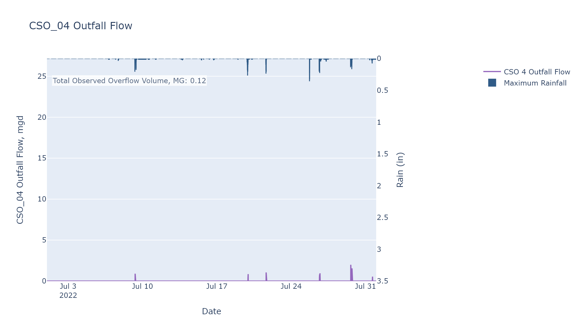

CSO_05-Events
CSO_05 Jul2022 Overflow Events

No Overflow Events Recorded for CSO_05

Note: Any observed negative flows could be backflow from James River

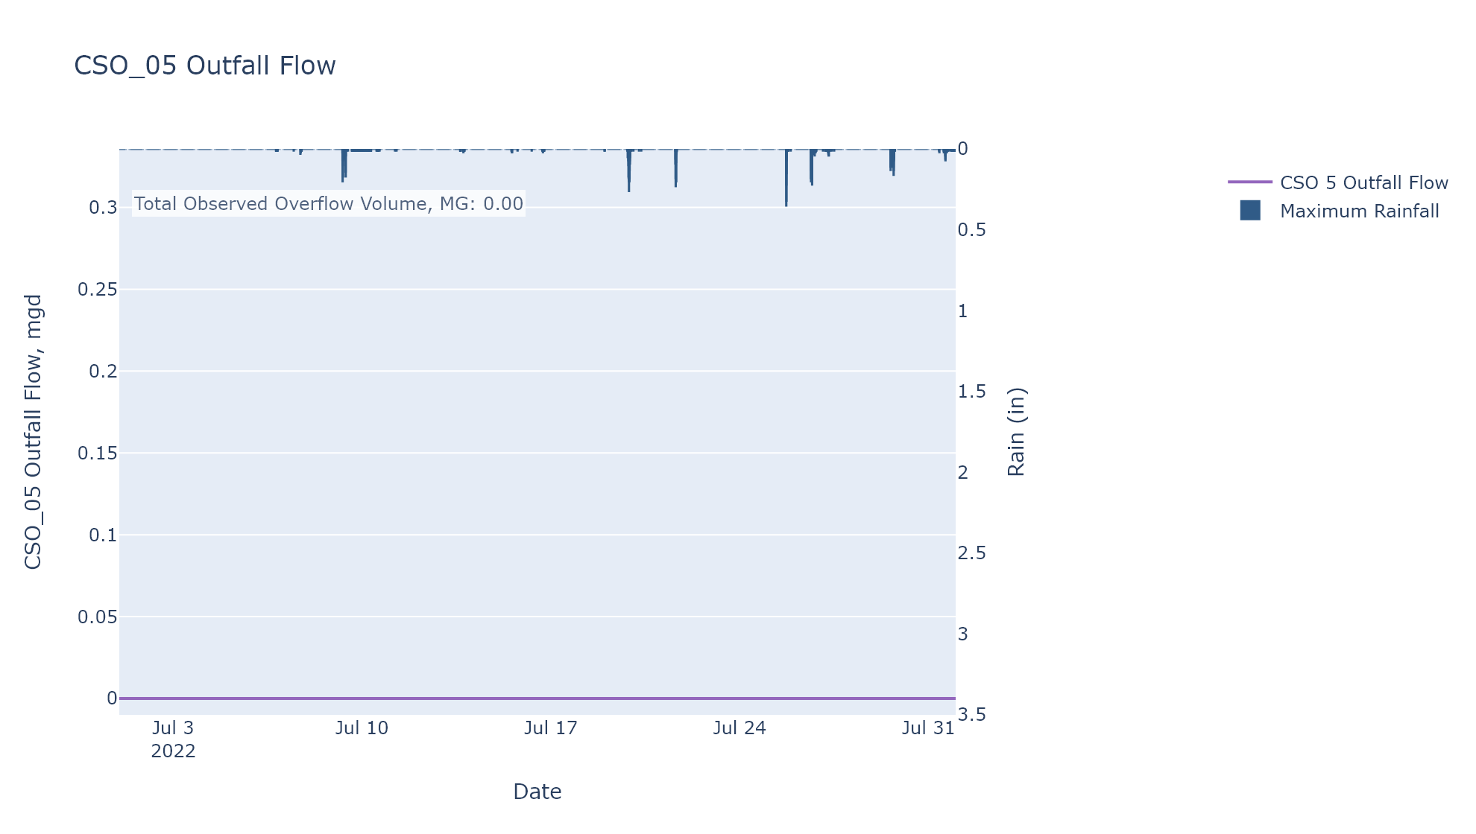

CSO_06-Events
CSO_06 Jul2022 Overflow Events

 | start | end | Rainfall, in | Observed Overflow Volume, MG
2022Jul09 | 2022-07-09 | 2022-07-19 | 1.05 | 21.127
2022Jul21 | 2022-07-21 | 2022-07-21 | 0.04 | 0.314
2022Jul26 | 2022-07-26 | 2022-07-26 | 0 | 0.063
2022Jul27 | 2022-07-27 | 2022-07-30 | 0.51 | 1.583

Note: Any observed negative flows could be due to high James River levels and flow eddies within structure

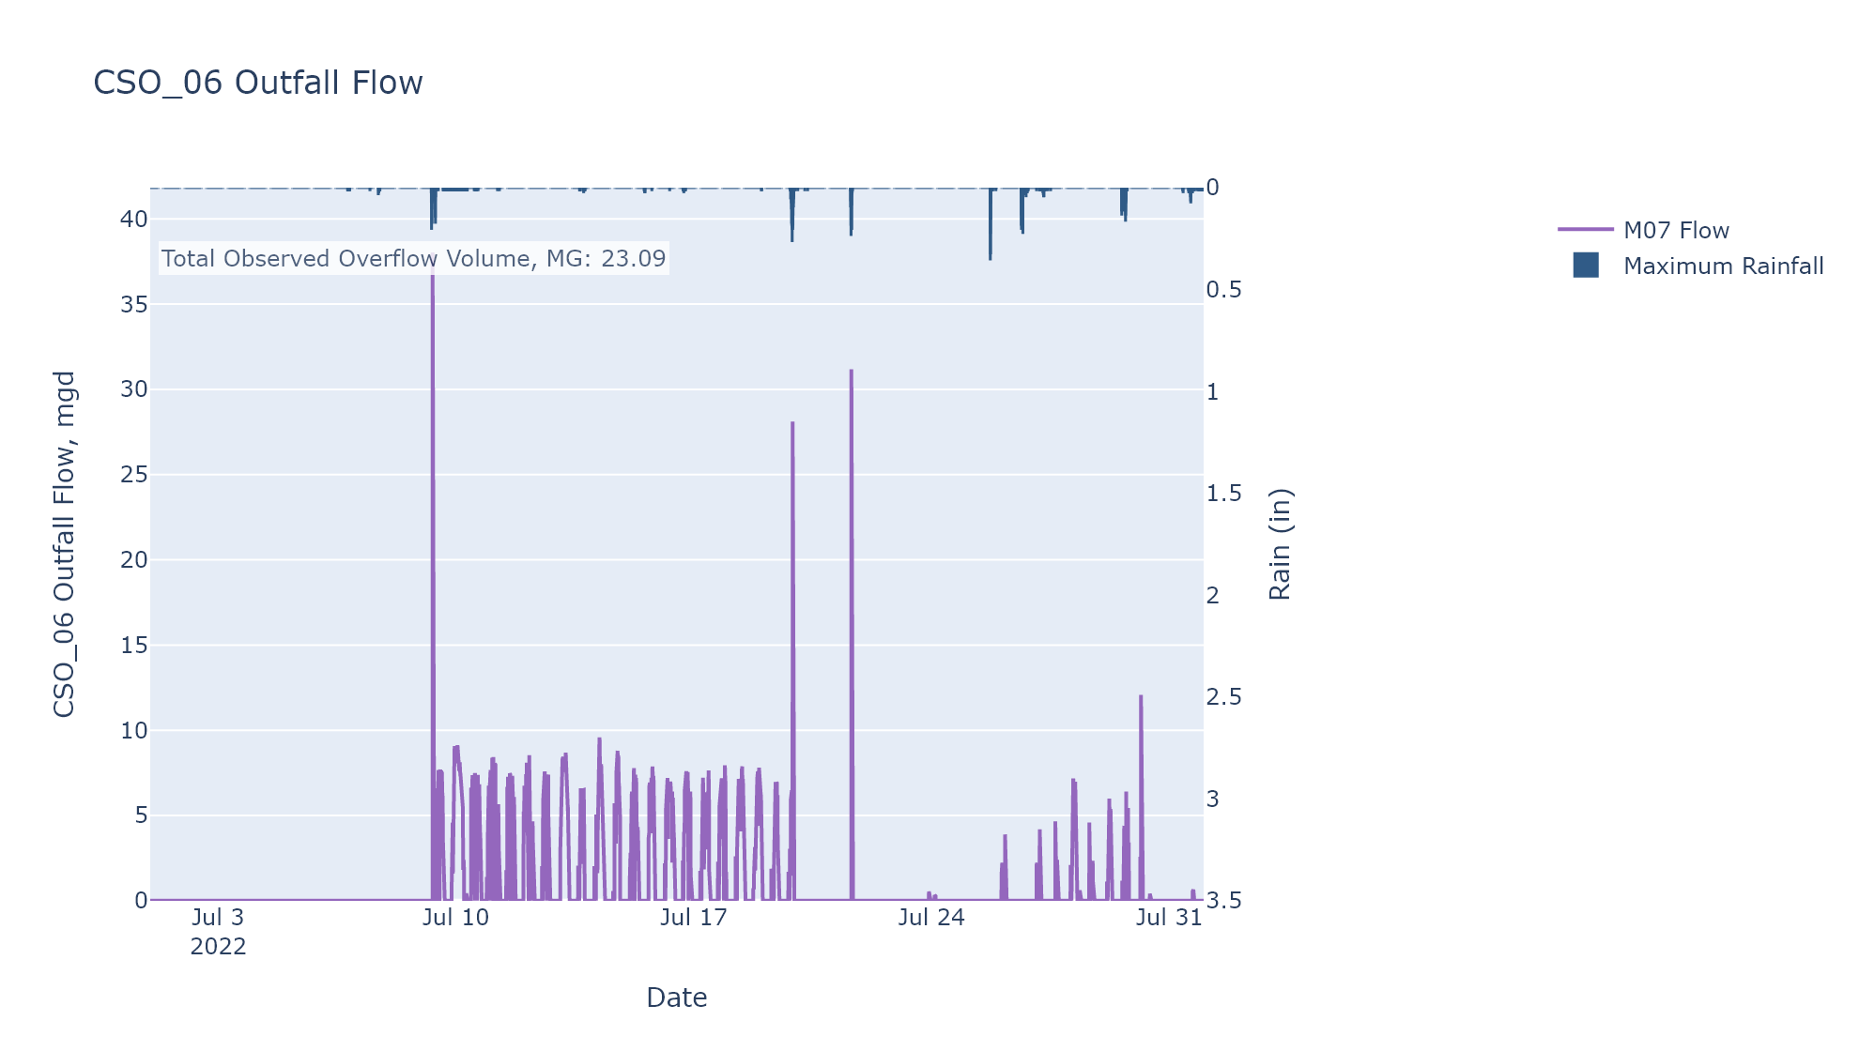

CSO_07-Events
CSO_07 Jul2022 Overflow Events

No Overflow Events Recorded for CSO_07

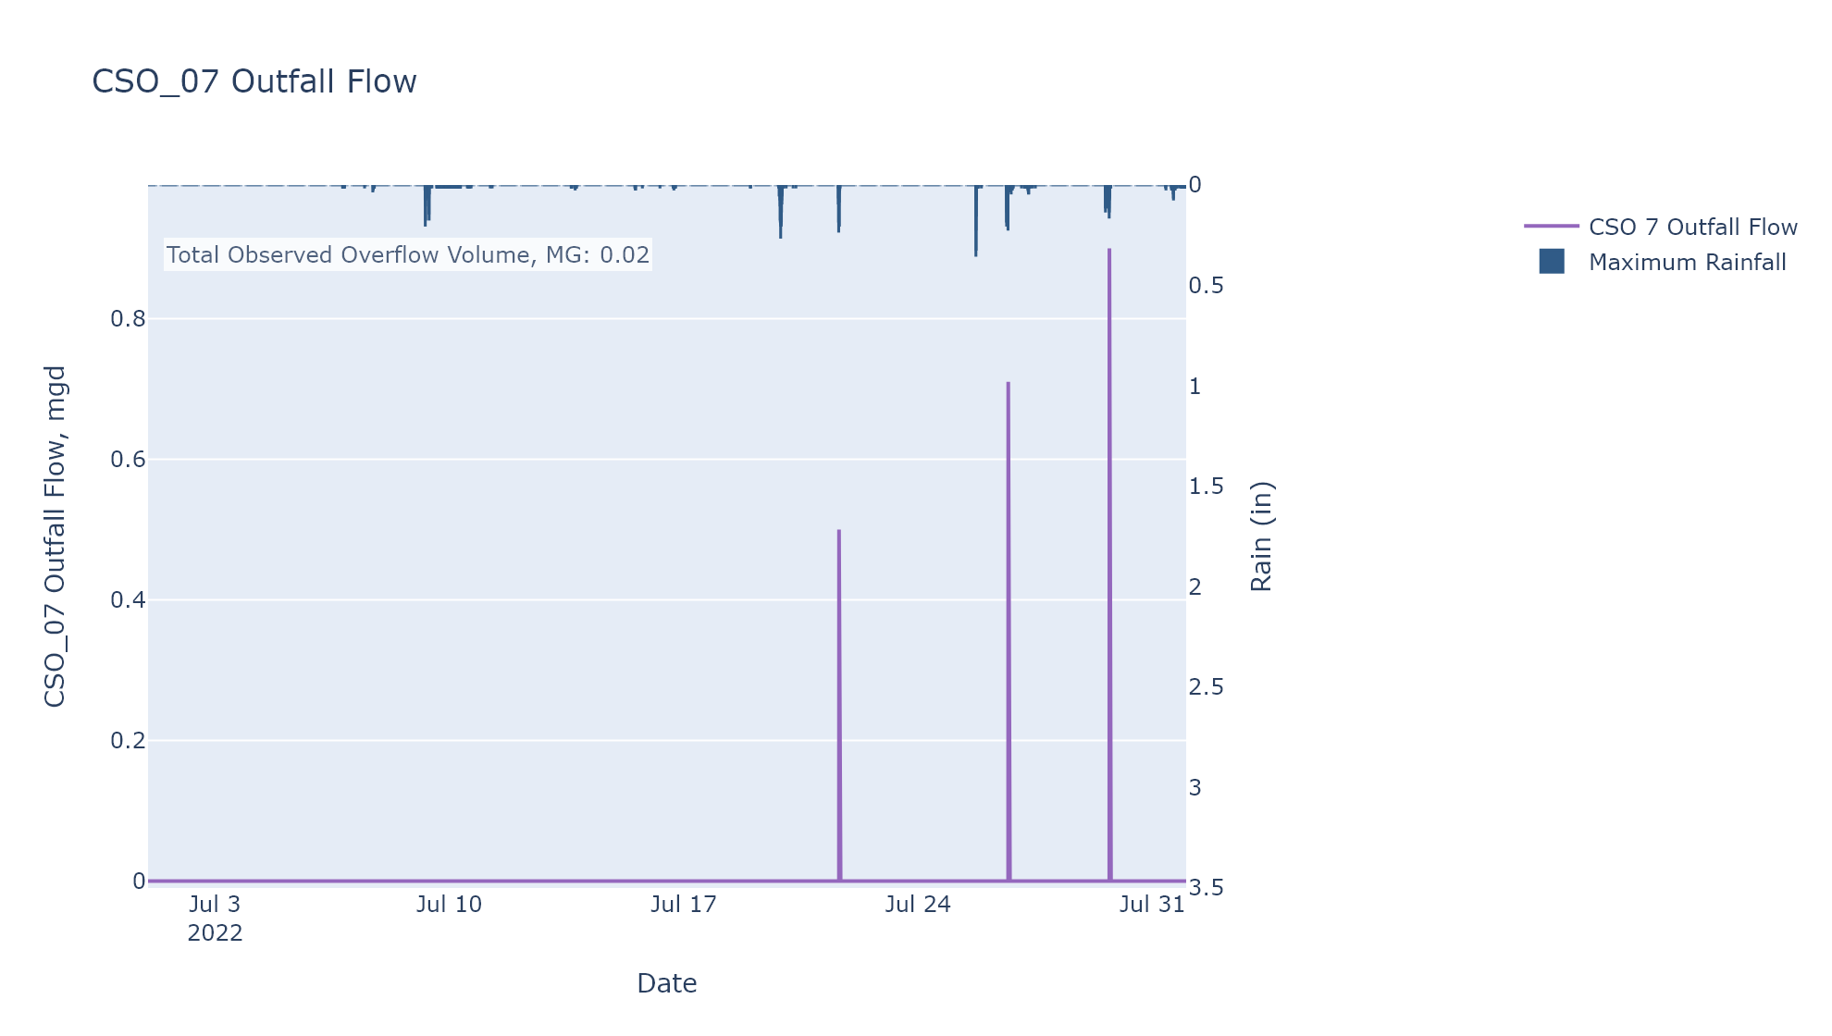

CSO_09-Events
CSO_09 Jul2022 Overflow Events

No Overflow Events Recorded for CSO_09

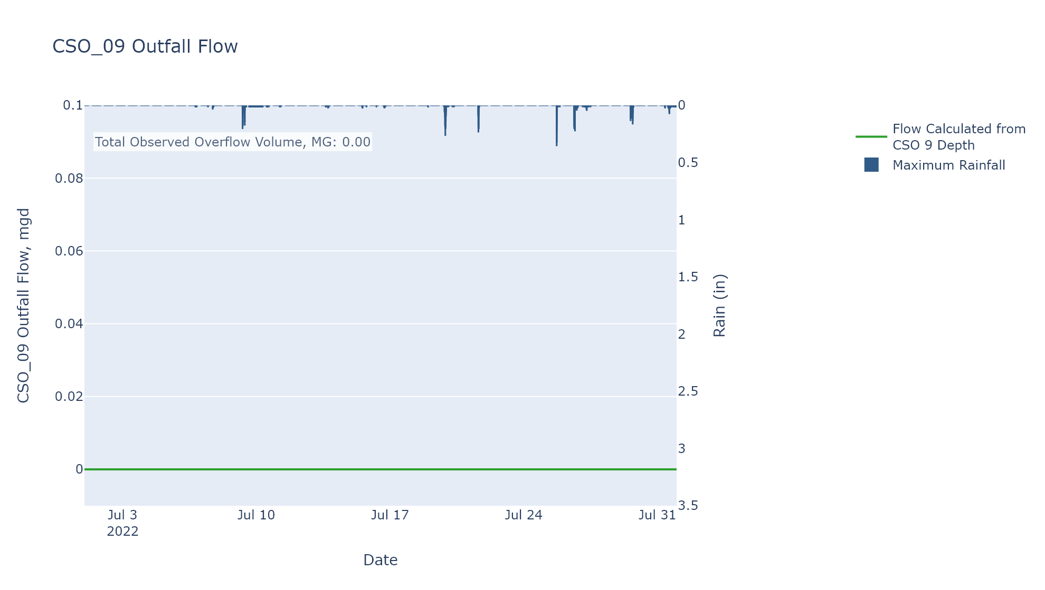

CSO_11-Events
CSO_11 Jul2022 Overflow Events

 | start | end | Rainfall, in | Observed Overflow Volume, MG
2022Jul09 | 2022-07-09 | 2022-07-09 | 0.11 | 0.036
2022Jul19 | 2022-07-19 | 2022-07-19 | 0.27 | 0

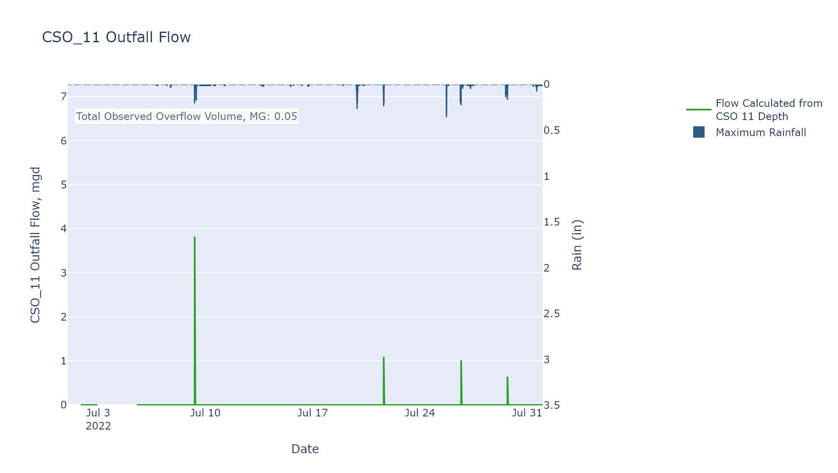

CSO_14-Events
CSO_14 Jul2022 Overflow Events

 | start | end | Rainfall, in | Observed Overflow Volume, MG
2022Jul19 | 2022-07-19 | 2022-07-19 | 0.32 | 0.144

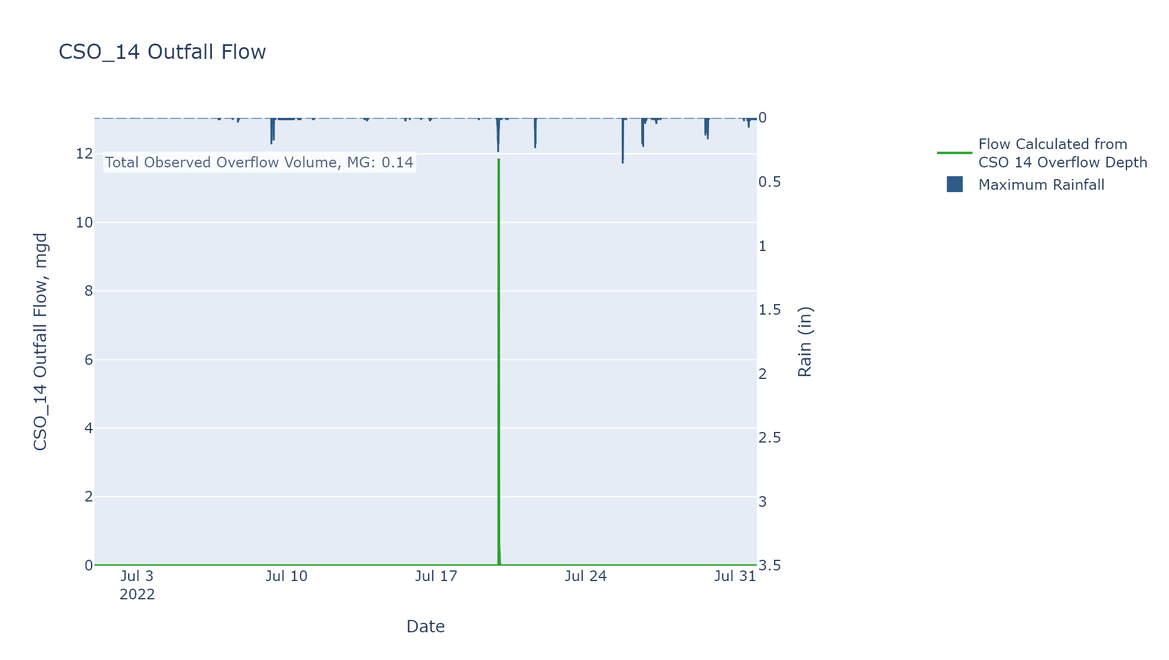

CSO_15-Events
CSO_15 Jul2022 Overflow Events

No Overflow Events Recorded for CSO_15
CSO_15 Bad Data
error_type | time_first_found | time_last_found
gap | 2021-12-13 | 2022-07-31
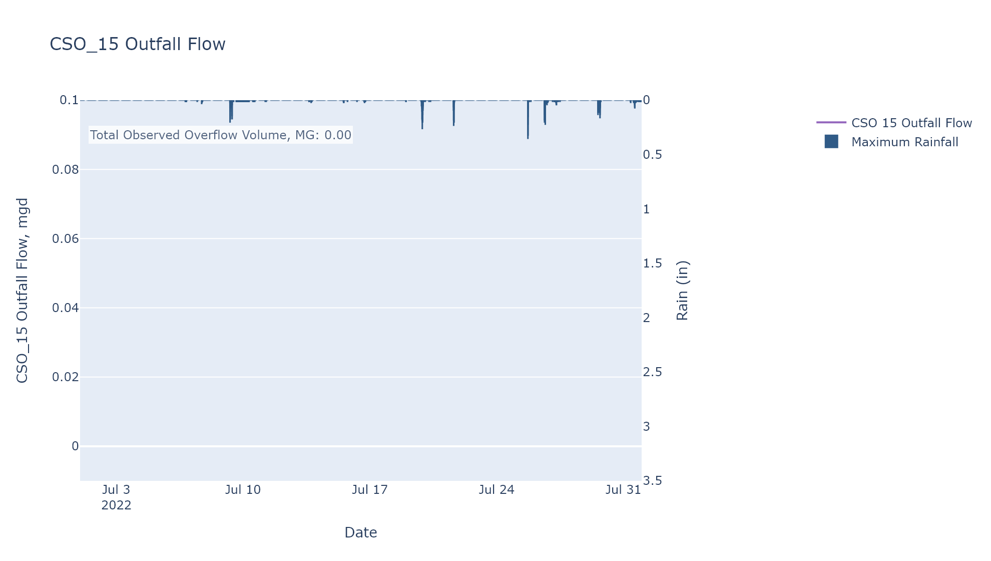

CSO_17-Events
CSO_17 Jul2022 Overflow Events

 | start | end | Rainfall, in | Observed Overflow Volume, MG
2022Jul19 | 2022-07-19 | 2022-07-19 | 0.06 | 0.037
2022Jul21 | 2022-07-21 | 2022-07-21 | 0.07 | 0.204

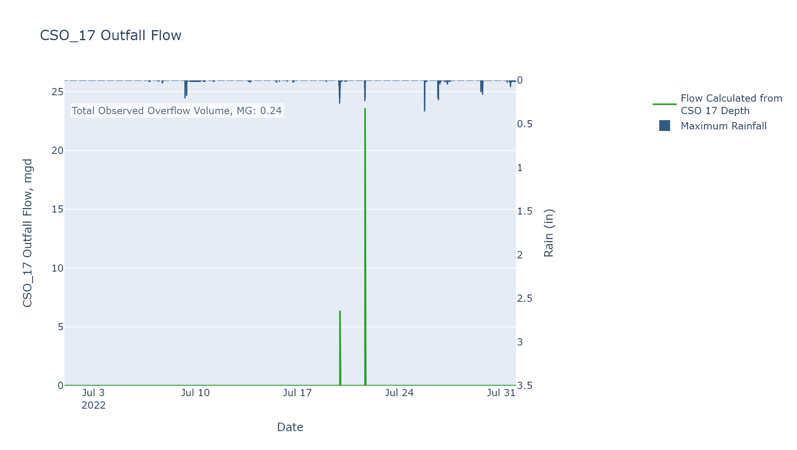

CSO_20-Events
CSO_20 Jul2022 Overflow Events

No Overflow Events Recorded for CSO_20

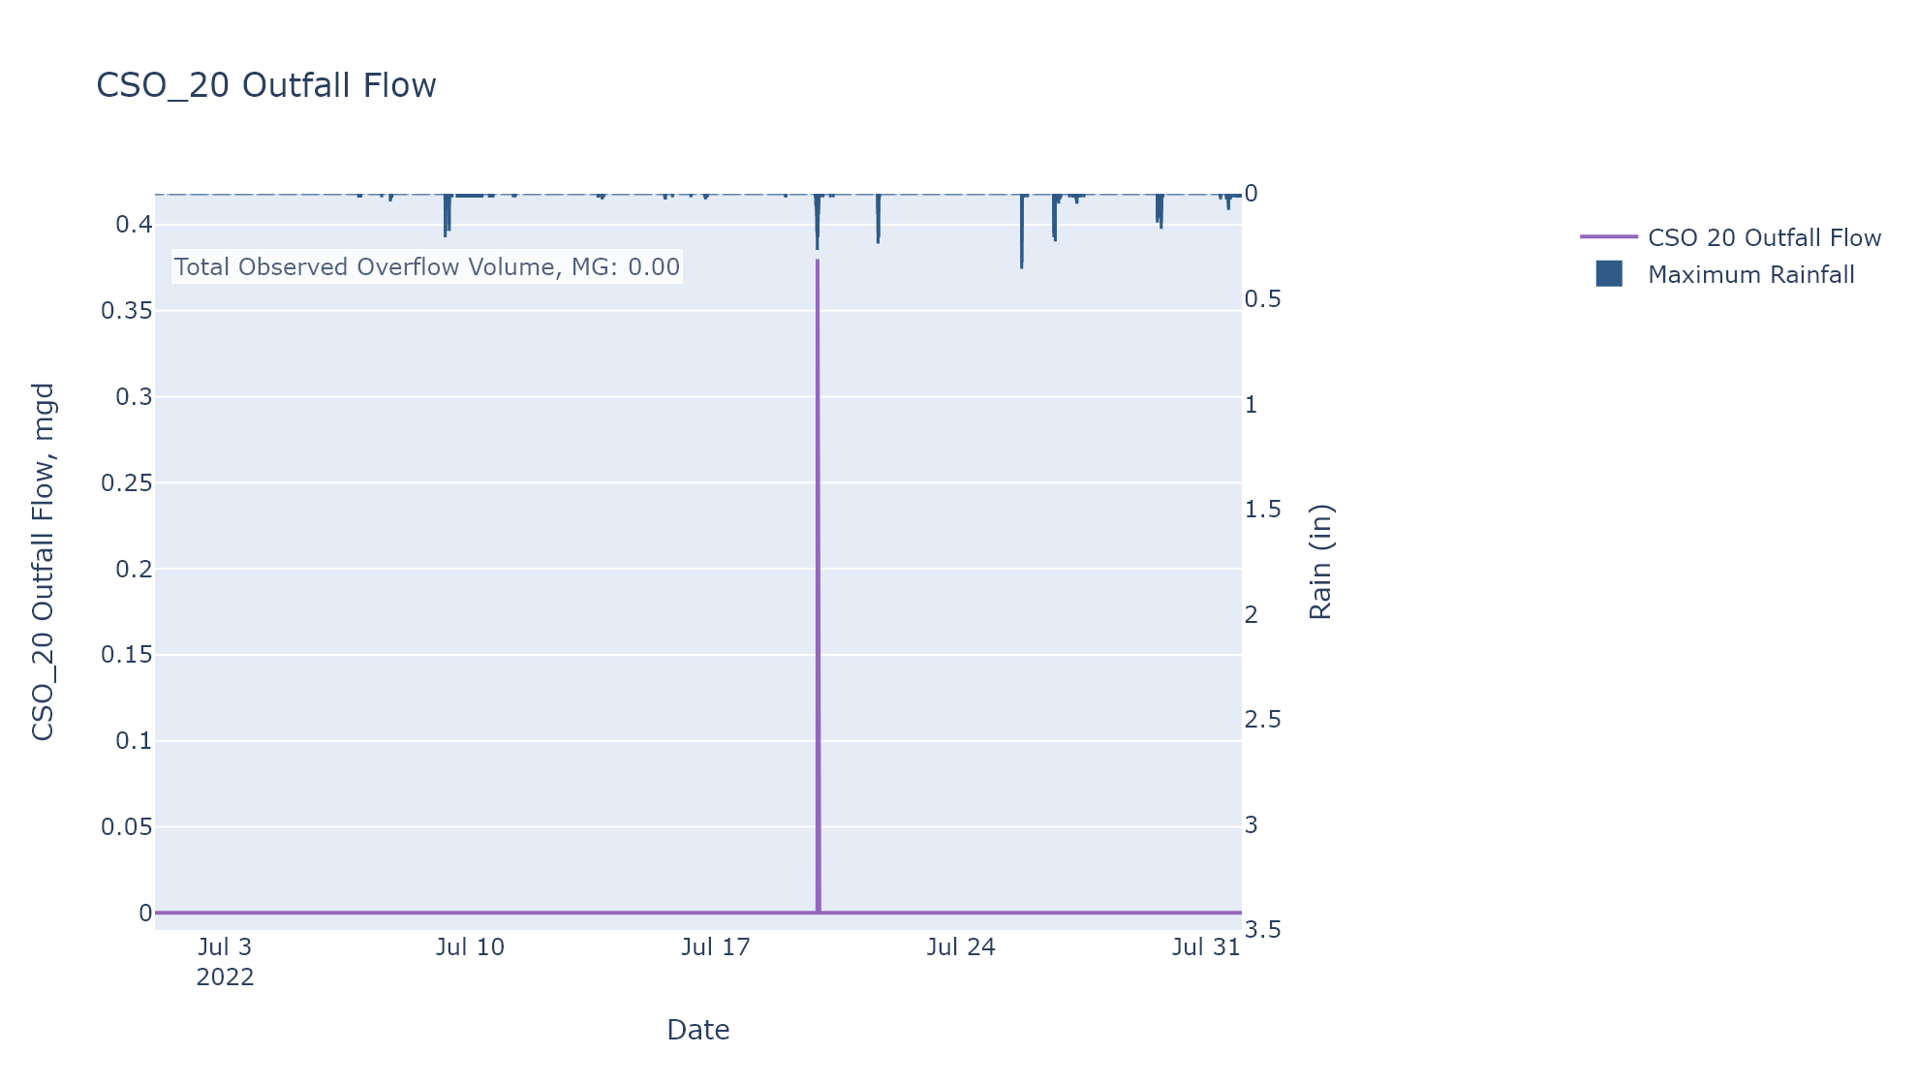

CSO_24-Events
CSO_24 Jul2022 Overflow Events

 | start | end | Rainfall, in | Observed Overflow Volume, MG
2022Jul19 | 2022-07-19 | 2022-07-19 | 0.38 | 0
2022Jul21 | 2022-07-21 | 2022-07-21 | 0.06 | 0

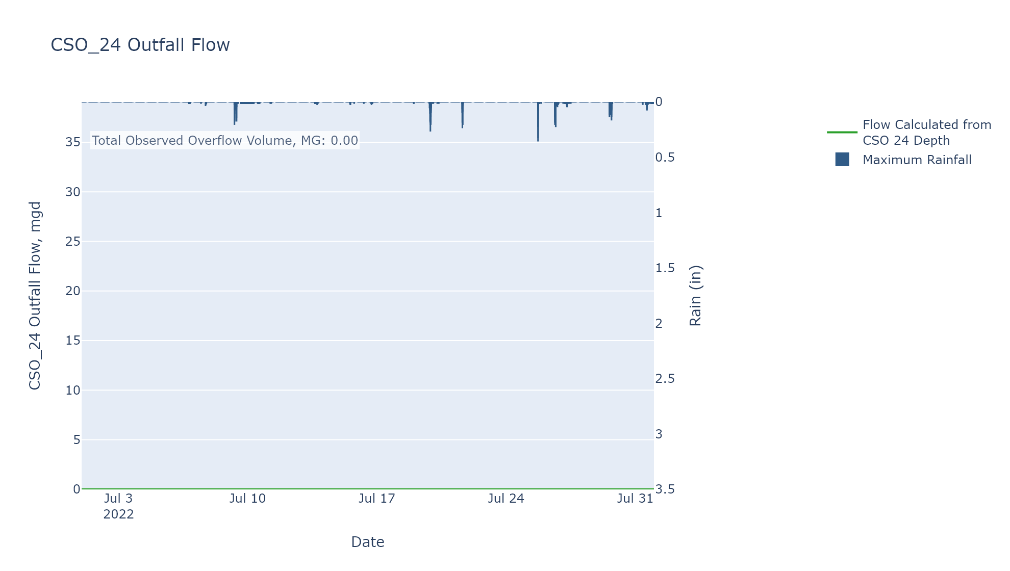

CSO_25-Events
CSO_25 Jul2022 Overflow Events

 | start | end | Rainfall, in | Observed Overflow Volume, MG
2022Jul19 | 2022-07-19 | 2022-07-19 | 0.23 | 0

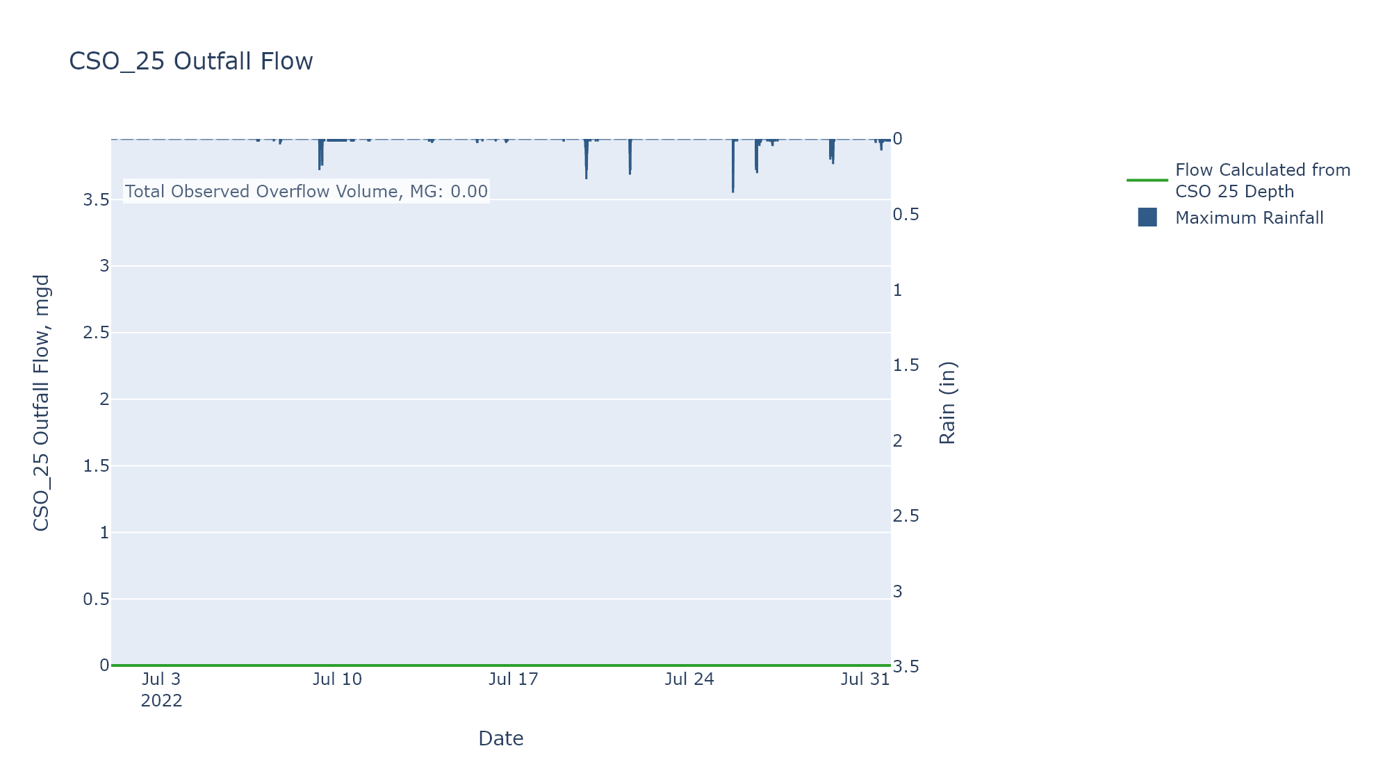

CSO_26-Events
CSO_26 Jul2022 Overflow Events

 | start | end | Rainfall, in | Observed Overflow Volume, MG
2022Jul19 | 2022-07-19 | 2022-07-19 | 0.38 | 0.413
2022Jul21 | 2022-07-21 | 2022-07-21 | 0.02 | 0

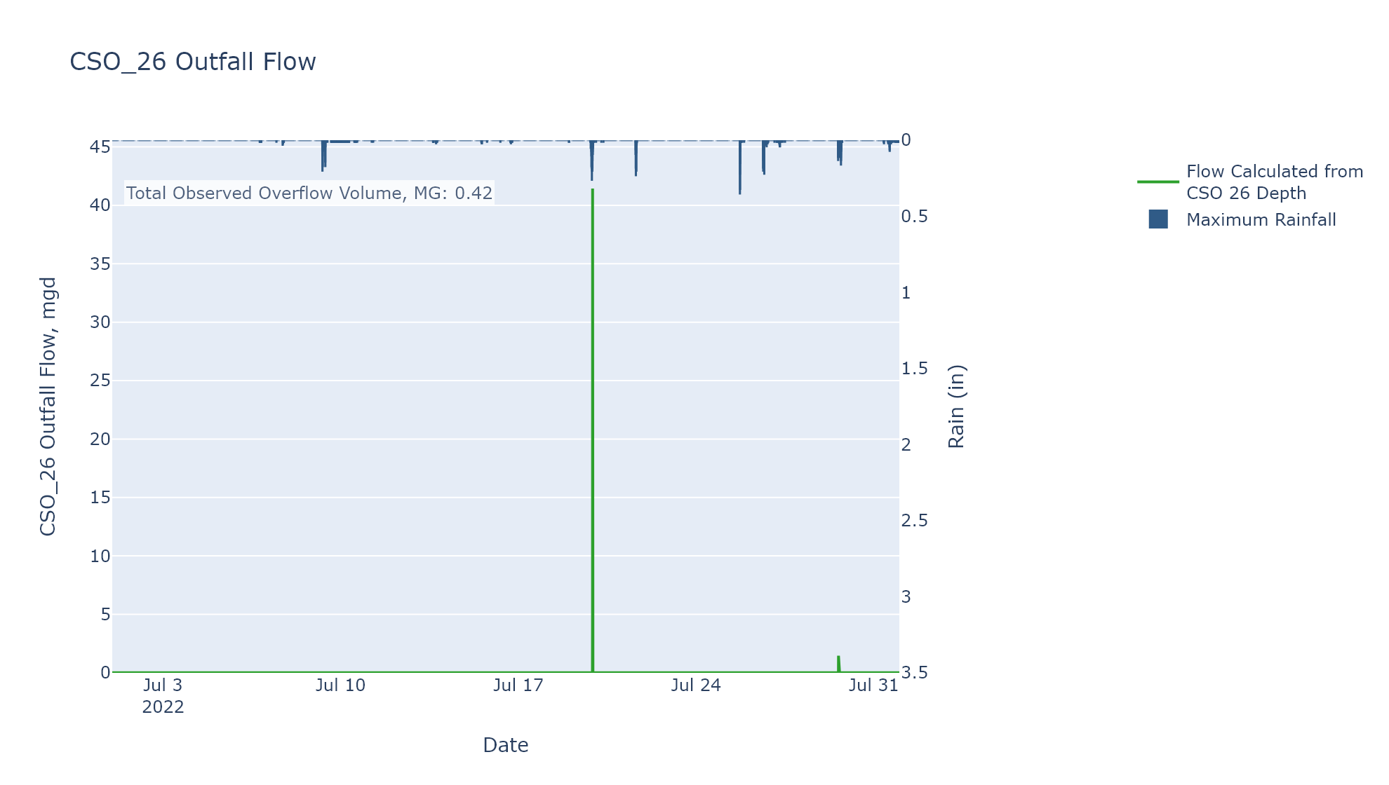

CSO_31-Events
CSO_31 Jul2022 Overflow Events

 | start | end | Rainfall, in | Observed Overflow Volume, MG
2022Jul19 | 2022-07-19 | 2022-07-20 | 0.38 | 0
2022Jul26 | 2022-07-26 | 2022-07-27 | 0.21 | 0
2022Jul29 | 2022-07-29 | 2022-07-30 | 0.04 | 0

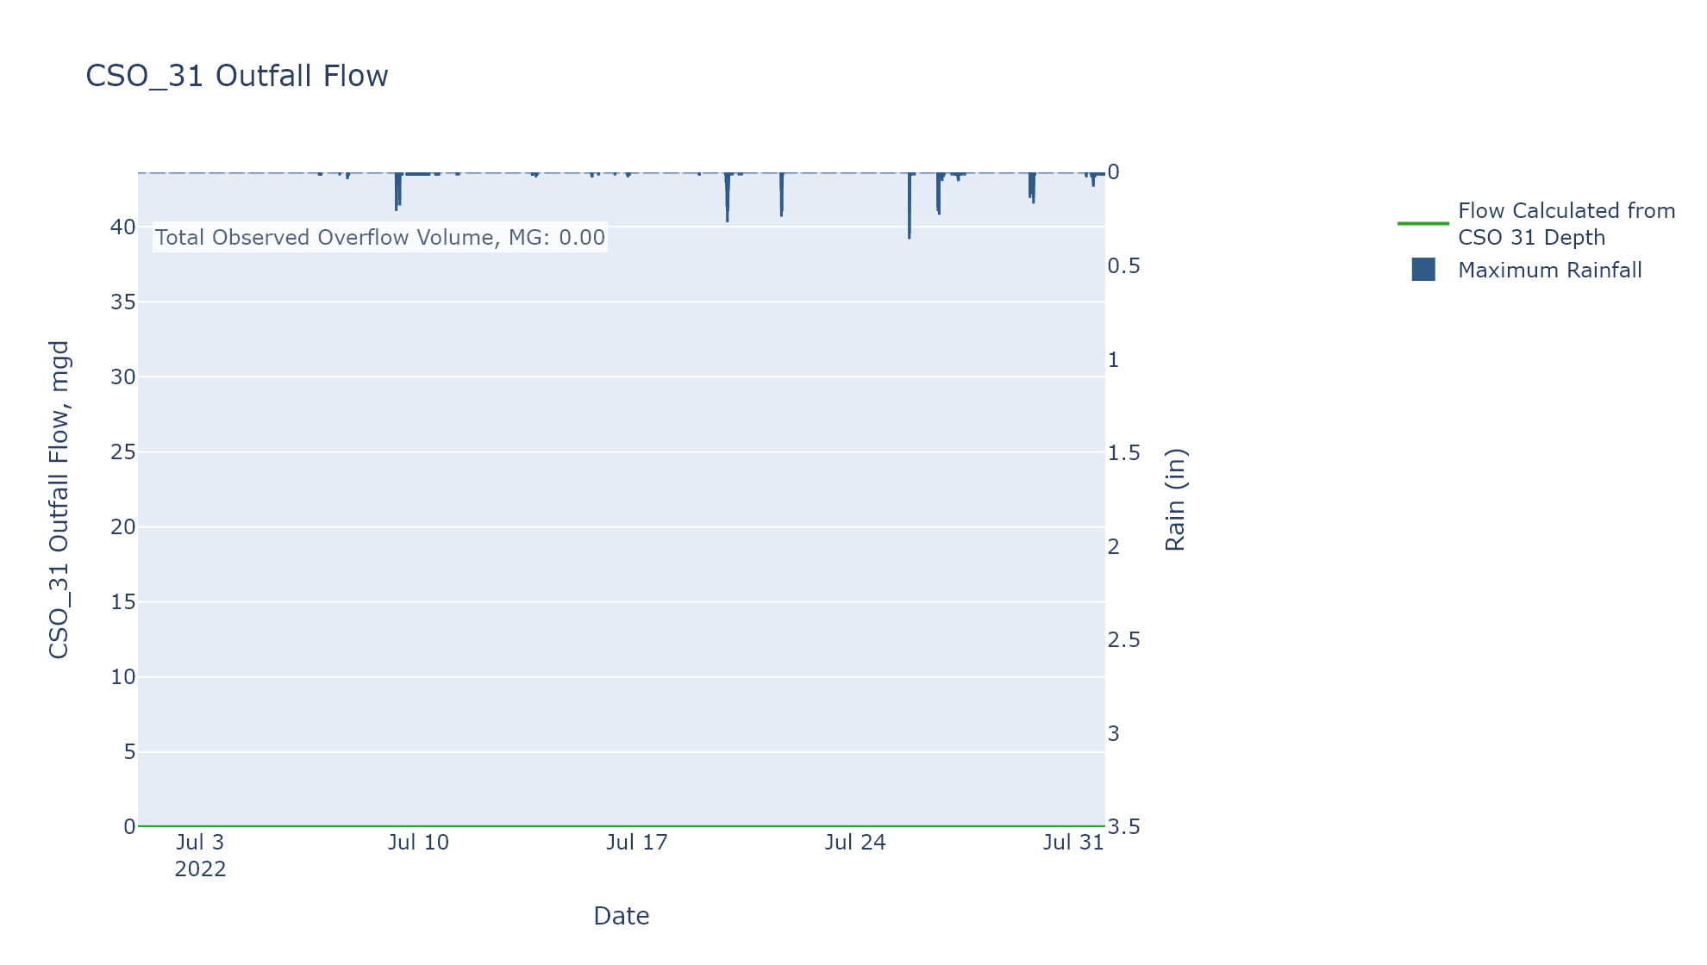

CSO_34-Events
CSO_34 Jul2022 Overflow Events

 | start | end | Rainfall, in | Observed Overflow Volume, MG
2022Jul09 | 2022-07-09 | 2022-07-09 | 0 | 0.01
2022Jul19 | 2022-07-19 | 2022-07-19 | 0.09 | 0
2022Jul21 | 2022-07-21 | 2022-07-21 | 0.07 | 0.105
2022Jul26 | 2022-07-26 | 2022-07-26 | 0.01 | 0.039
2022Jul29 | 2022-07-29 | 2022-07-29 | 0.34 | 0.054

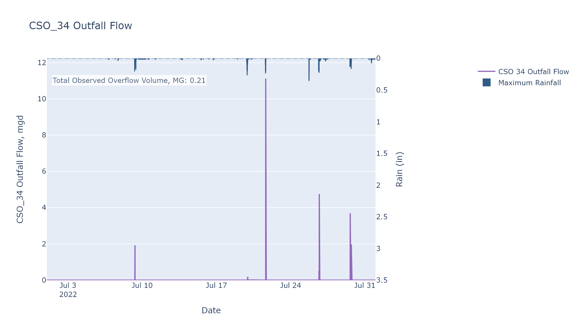

CSO_35-Events
CSO_35 Jul2022 Overflow Events

 | start | end | Rainfall, in | Observed Overflow Volume, MG
2022Jul19 | 2022-07-19 | 2022-07-19 | 0.44 | 0.002
2022Jul21 | 2022-07-21 | 2022-07-21 | 0.13 | 0.013
2022Jul26 | 2022-07-26 | 2022-07-26 | 0.15 | 0.015
2022Jul29 | 2022-07-29 | 2022-07-29 | 0.38 | 0.029

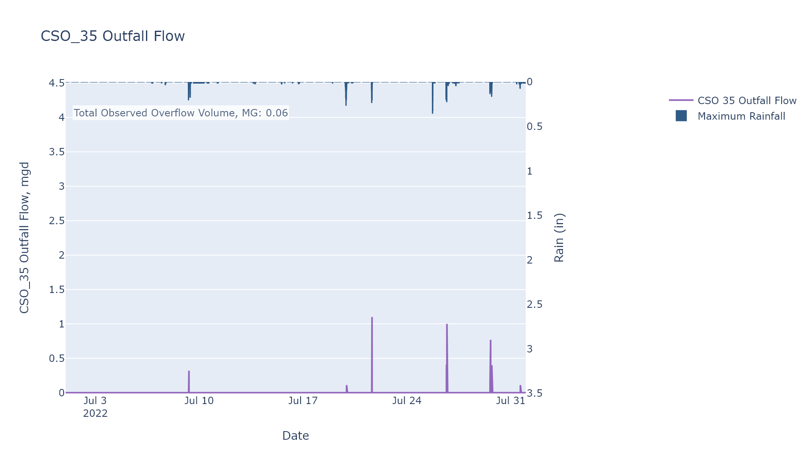

CSO_39-Events
CSO_39 Jul2022 Overflow Events

 | start | end | Rainfall, in | Observed Overflow Volume, MG
2022Jul01 | 2022-07-01 | 2022-07-04 | 0 | 0.024
2022Jul19 | 2022-07-19 | 2022-07-19 | 0.38 | 0.081
2022Jul21 | 2022-07-21 | 2022-07-21 | 0.3 | 0.006
2022Jul25 | 2022-07-25 | 2022-07-25 | 0.03 | 0
2022Jul26 | 2022-07-26 | 2022-07-26 | 0.29 | 0.034
2022Jul29 | 2022-07-29 | 2022-07-29 | 0.37 | 0.123

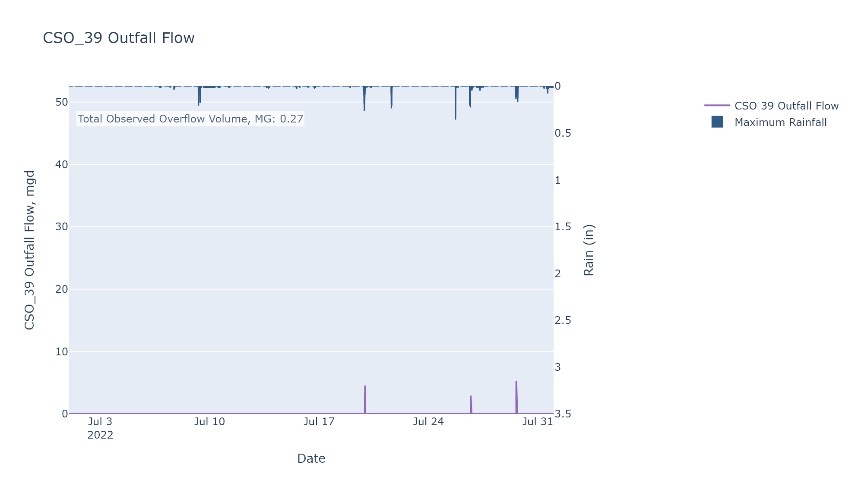

CSO_40-Events
CSO_40 Jul2022 Overflow Events

 | start | end | Rainfall, in | Observed Overflow Volume, MG
2022Jul01 | 2022-07-01 | 2022-07-13 | 0.73 | 35.602 | Bad data event, not included in observed overflow total
2022Jul03 | 2022-07-03 | 2022-07-03 | 0 | 0.021 | Bad data event, not included in observed overflow total
2022Jul09 | 2022-07-09 | 2022-07-09 | 0.22 | 1.344 | Bad data event, not included in observed overflow total
2022Jul12 | 2022-07-12 | 2022-07-12 | 0 | 0.179 | Bad data event, not included in observed overflow total
2022Jul19 | 2022-07-19 | 2022-07-20 | 0.24 | 1.744
2022Jul21 | 2022-07-21 | 2022-07-21 | 0.3 | 0.155
2022Jul25 | 2022-07-25 | 2022-07-25 | 0.11 | 0
2022Jul26 | 2022-07-26 | 2022-07-26 | 0.13 | 0
2022Jul29 | 2022-07-29 | 2022-07-30 | 0.36 | 0.33
2022Jul30 | 2022-07-30 | 2022-07-31 | 0.33 | 0

