CSO Summary
Feb2023 CSO Report
 | Observed
CSO_04 | 0.19
CSO_05 | 0.06
CSO_07 | 0
CSO_09 | 0
CSO_10 | 0
CSO_11 | 0.01
CSO_12 | 0.02
CSO_14 | 0
CSO_15 | 0
CSO_16 | 0
CSO_17 | 0
CSO_18 | 0
CSO_19 | 0
CSO_20 | 0
CSO_21 | 0.15
CSO_24 | 0
CSO_25 | 0
CSO_26 | 0
CSO_31 | 0
CSO_33 | 0
CSO_34 | 0.06
CSO_35 | 0.05
CSO_39 | 0.05
CSO_40 | 0.49
Feb2023 CSO Report
 | Observed
CSO_06 | 21.73
Feb2023 Overflow Summary
22.81 MG Overflow Observed
 | Sensor Type | % of Report with Good Data | Number of Observed Activations | Observed Overflow Volume, MG
CSO_04 | Flow | 100 | 4 | 0.19
CSO_05 | Flow | 100 | 1 | 0.06
CSO_06 | Flow | 100 | 2 | 21.73
CSO_07 | Flow | 100 | 0 | 0
CSO_09 | Level | 100 | 0 | 0
CSO_10 | Level | 100 | 0 | 0
CSO_11 | Level | 100 | 0 | 0.01
CSO_12 | Flow | 100 | 1 | 0.02
CSO_14 | Level | 100 | 0 | 0
CSO_15 | Flow | 100 | 0 | 0
CSO_16 | Level | 100 | 0 | 0
CSO_17 | Level | 100 | 0 | 0
CSO_18 | Level | 100 | 0 | 0
CSO_19 | Level | 100 | 0 | 0
CSO_20 | Flow | 100 | 0 | 0
CSO_21 | Flow | 100 | 2 | 0.15
CSO_24 | Level | 100 | 0 | 0
CSO_25 | Level | 100 | 0 | 0
CSO_26 | Level | 100 | 0 | 0
CSO_31 | Level | 100 | 0 | 0
CSO_33 | Level | 100 | 0 | 0
CSO_34 | Flow | 100 | 1 | 0.06
CSO_35 | Flow | 100 | 3 | 0.05
CSO_39 | Flow | 100 | 2 | 0.05
CSO_40 | Flow | 100 | 4 | 0.49
Total |  |  | 20 | 22.81

Note: Activations are defined by CSO volumes > 0.01 MG and an interevent time of 12 hours

CSO_04-Events
CSO_04 Feb2023 Overflow Events

 | start | end | Rainfall, in | Observed Overflow Volume, MG
2023Feb12 | 2023-02-12 | 2023-02-12 | 1 | 0.037
2023Feb14 | 2023-02-14 | 2023-02-15 | 0 | 0.001
2023Feb17 | 2023-02-17 | 2023-02-17 | 0.1 | 0.066
2023Feb25 | 2023-02-25 | 2023-02-25 | 0.15 | 0.062
2023Feb27 | 2023-02-27 | 2023-02-27 | 0.02 | 0.015

Note: Any observed negative flows could be backflow from James River

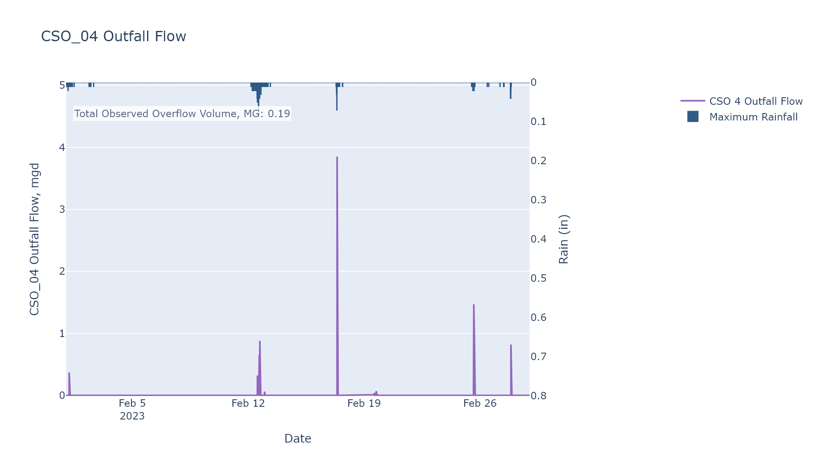

CSO_05-Events
CSO_05 Feb2023 Overflow Events

 | start | end | Rainfall, in | Observed Overflow Volume, MG
2023Feb12 | 2023-02-12 | 2023-02-13 | 0.81 | 0.052
2023Feb19_2 | 2023-02-19 | 2023-02-23 | 0 | 0

Note: Any observed negative flows could be backflow from James River

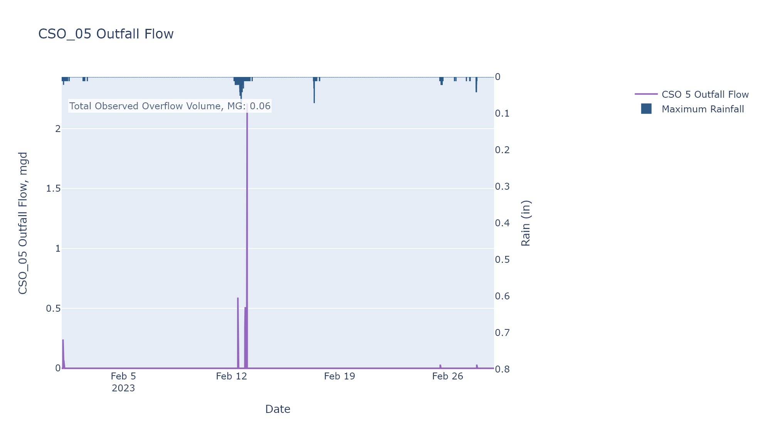

CSO_06-Events
CSO_06 Feb2023 Overflow Events

 | start | end | Rainfall, in | Observed Overflow Volume, MG
2023Feb12 | 2023-02-12 | 2023-02-13 | 0.83 | 21.702
2023Feb27 | 2023-02-27 | 2023-02-27 | 0 | 0.021

Note: Any observed negative flows could be due to high James River levels and flow eddies within structure

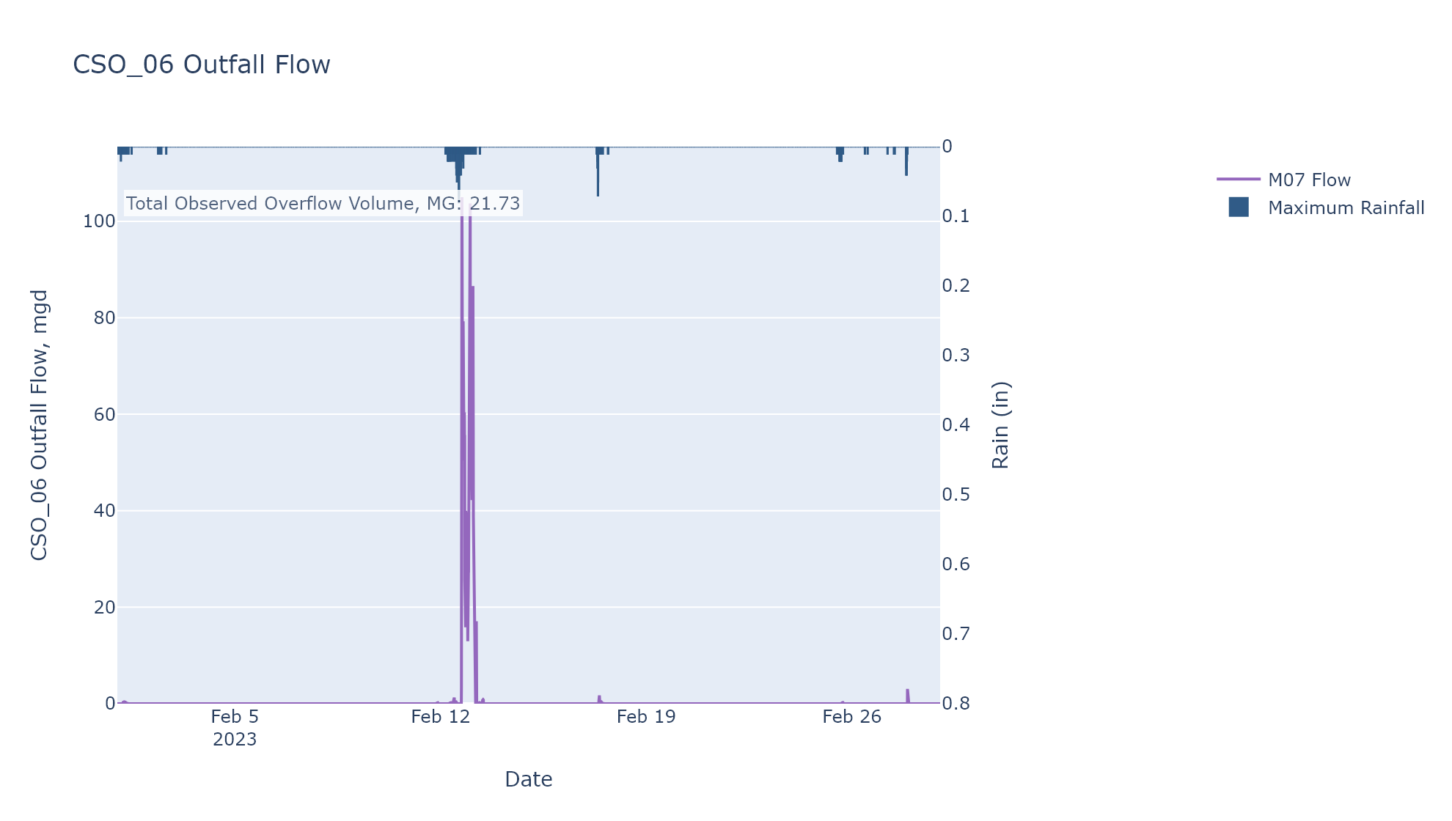

CSO_07-Events
CSO_07 Feb2023 Overflow Events

No Overflow Events Recorded for CSO_07

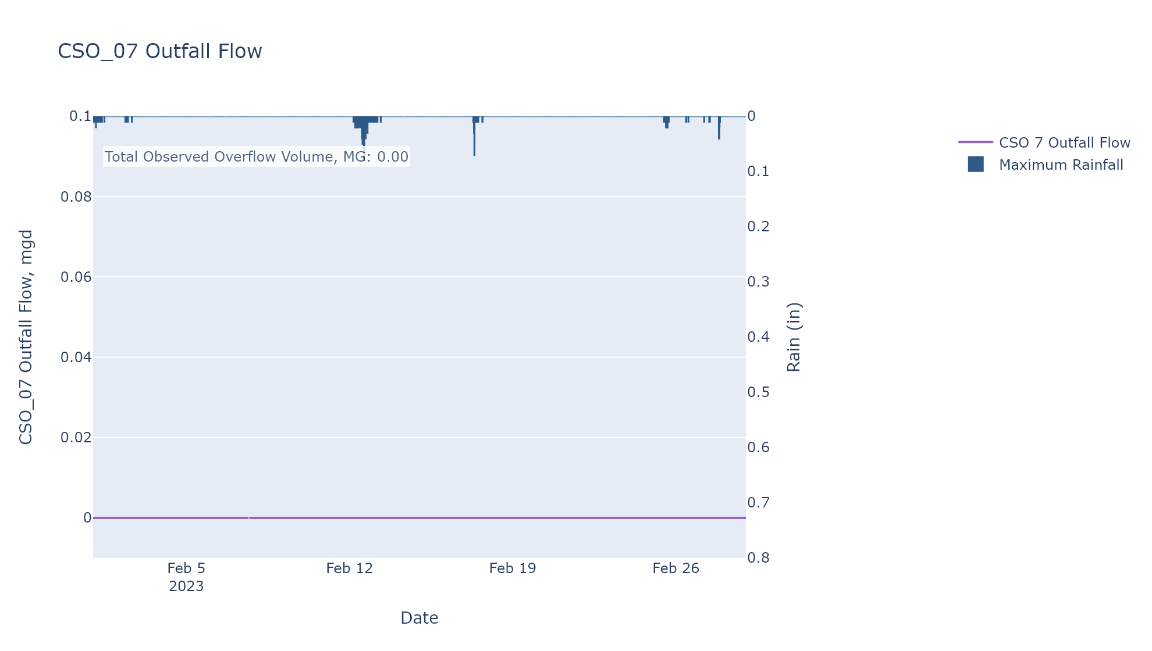

CSO_09-Events
CSO_09 Feb2023 Overflow Events

No Overflow Events Recorded for CSO_09

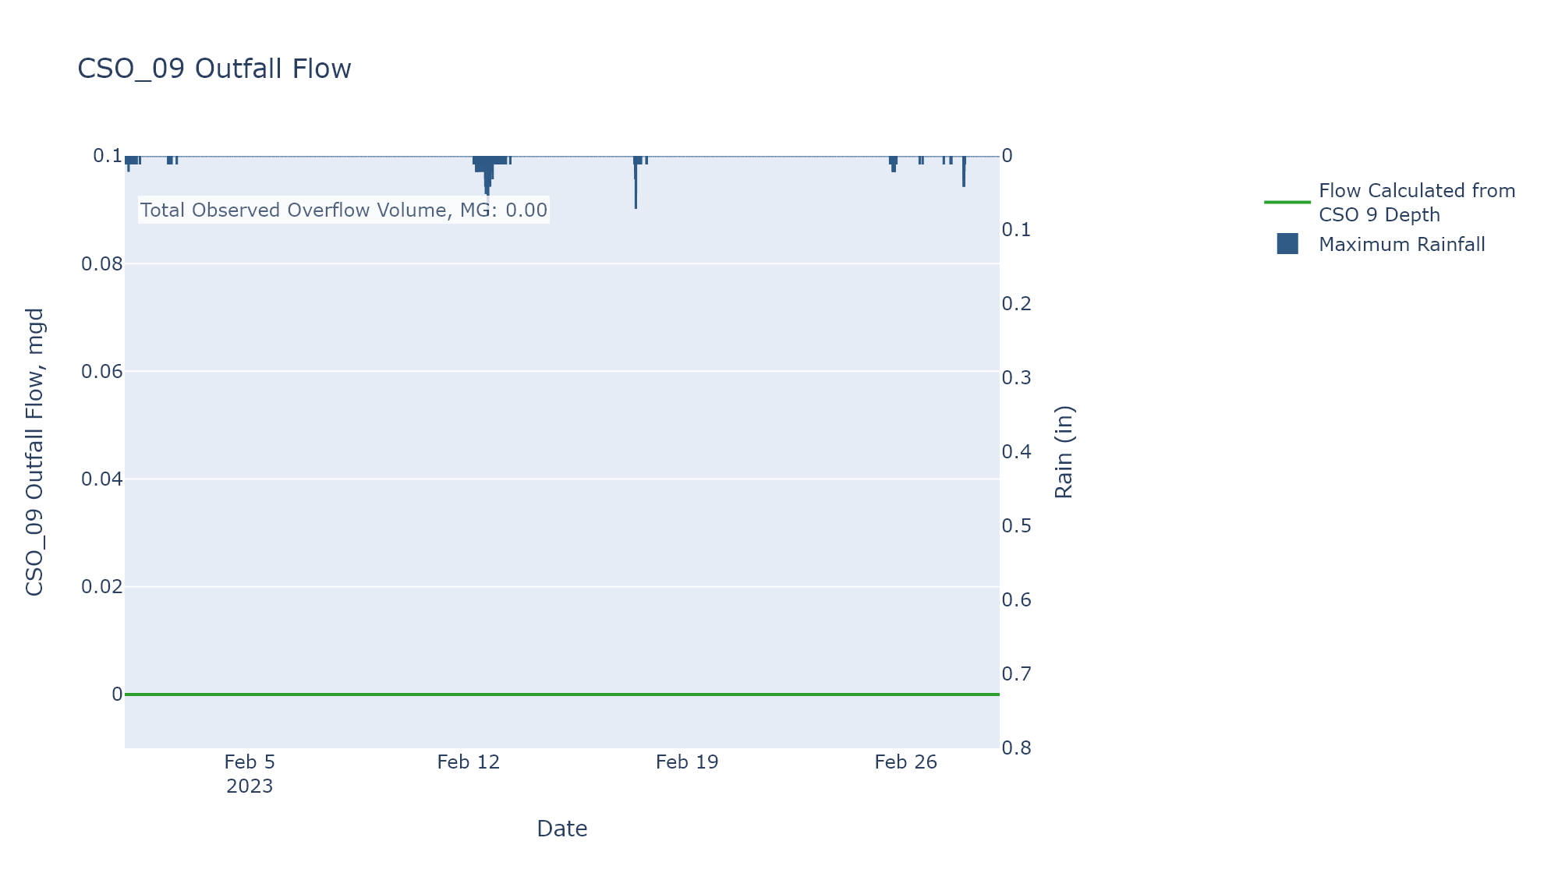

CSO_11-Events
CSO_11 Feb2023 Overflow Events

 | start | end | Rainfall, in | Observed Overflow Volume, MG
2023Feb12 | 2023-02-12 | 2023-02-12 | 0.01 | 0.01

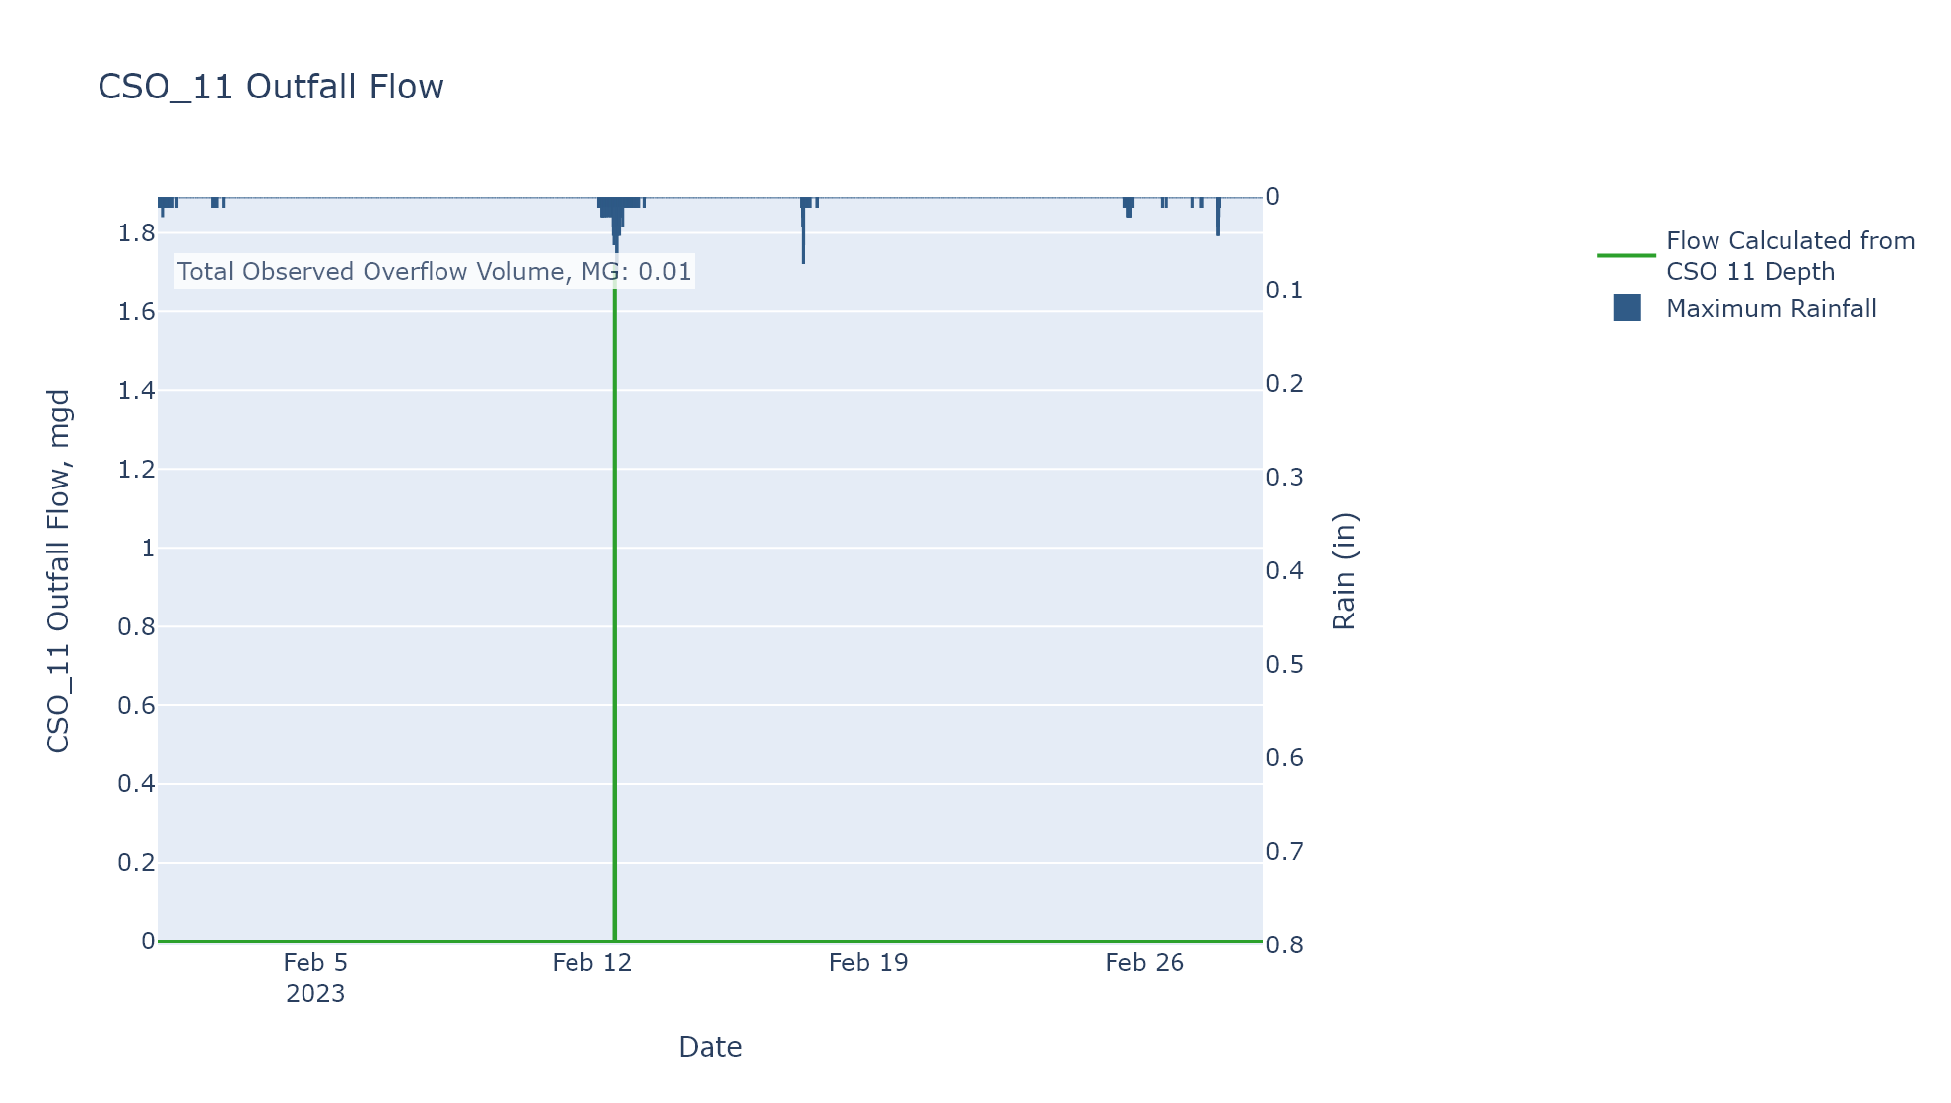

CSO_12-Events
CSO_12 Feb2023 Overflow Events

 | start | end | Rainfall, in | Observed Overflow Volume, MG
2023Feb17 | 2023-02-17 | 2023-02-17 | 0.07 | 0
2023Feb19 | 2023-02-19 | 2023-02-21 | 0 | 0.013

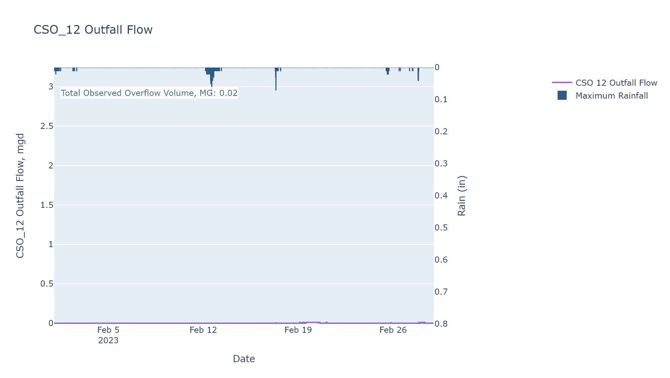

CSO_14-Events
CSO_14 Feb2023 Overflow Events

No Overflow Events Recorded for CSO_14

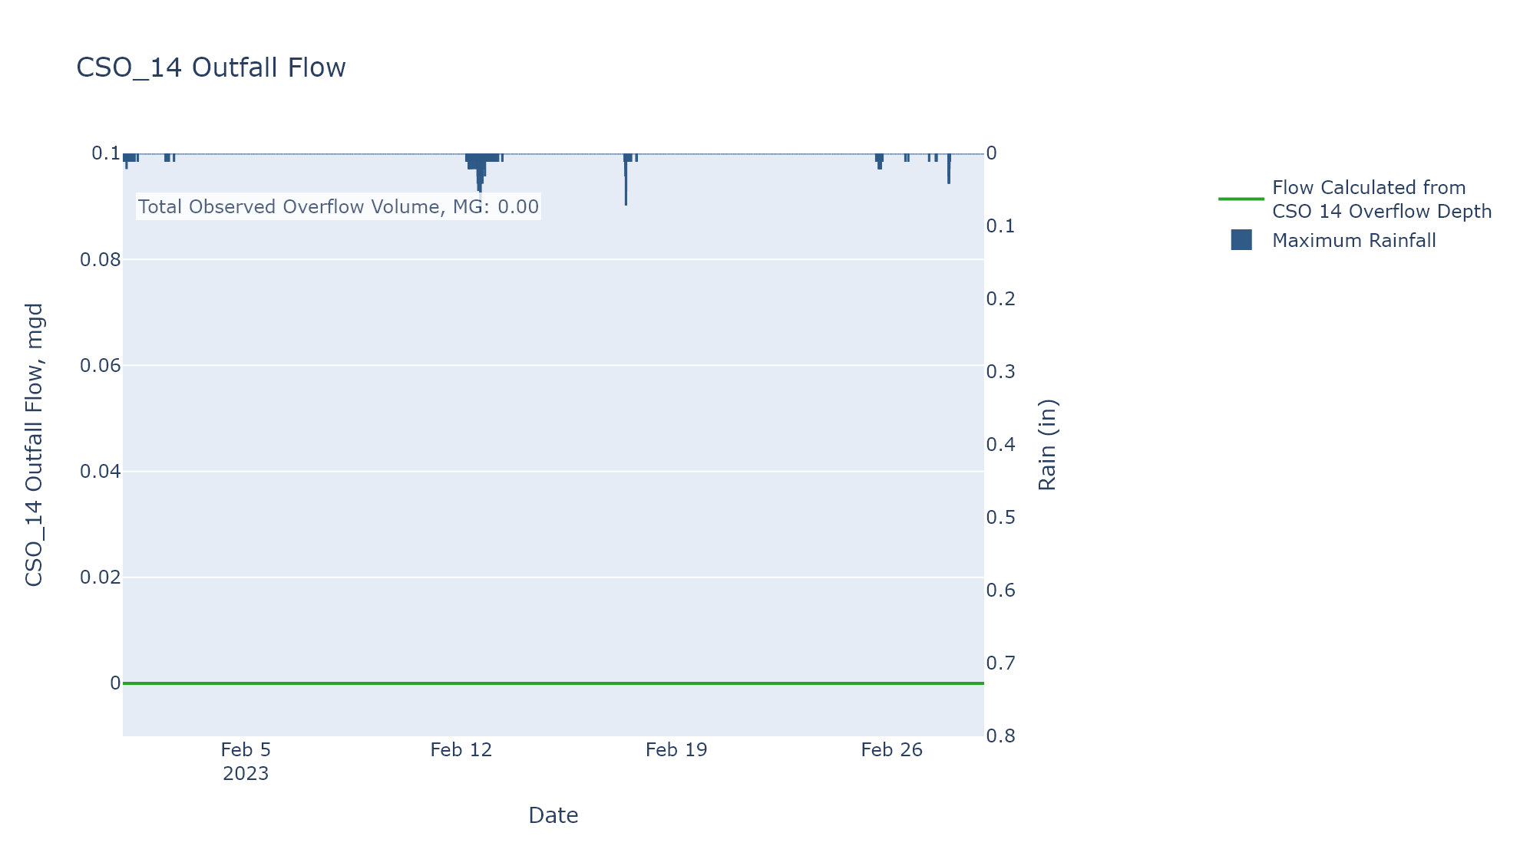

CSO_15-Events
CSO_15 Feb2023 Overflow Events

No Overflow Events Recorded for CSO_15

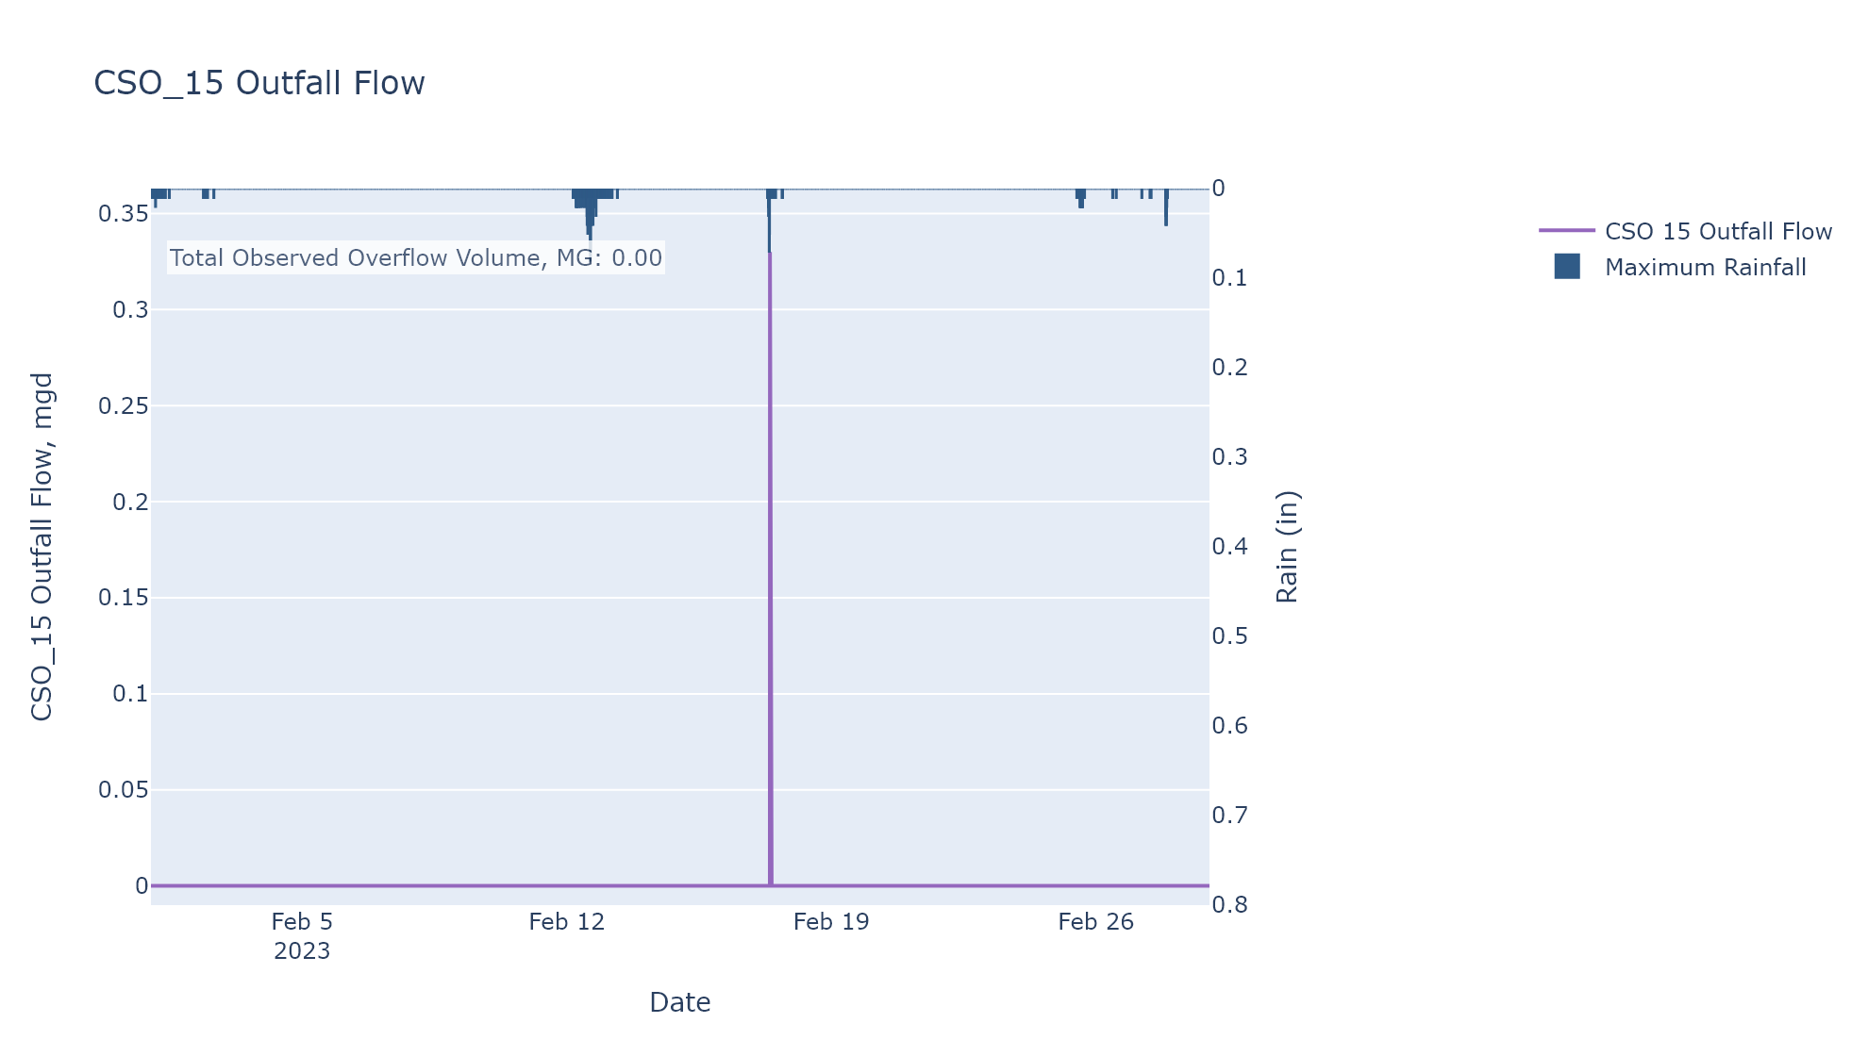

CSO_17-Events
CSO_17 Feb2023 Overflow Events

No Overflow Events Recorded for CSO_17

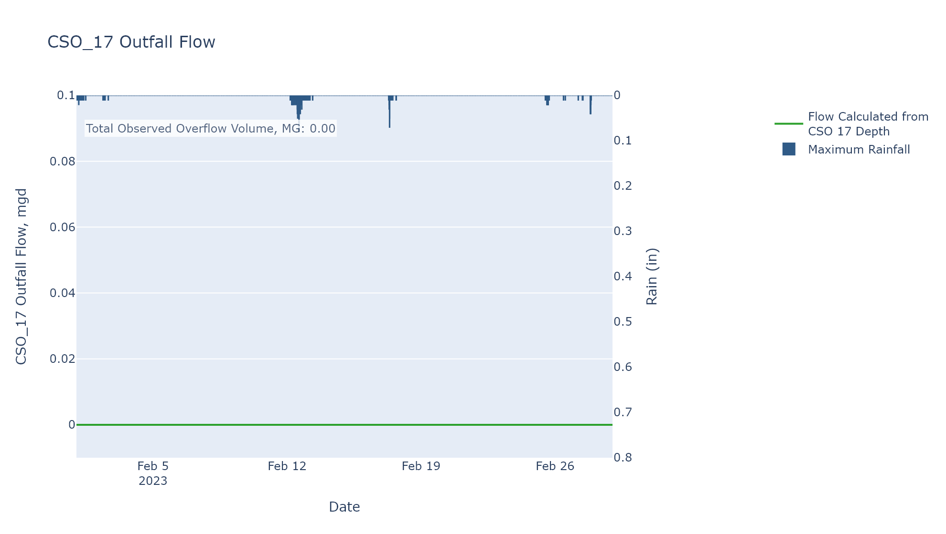

CSO_20-Events
CSO_20 Feb2023 Overflow Events

No Overflow Events Recorded for CSO_20

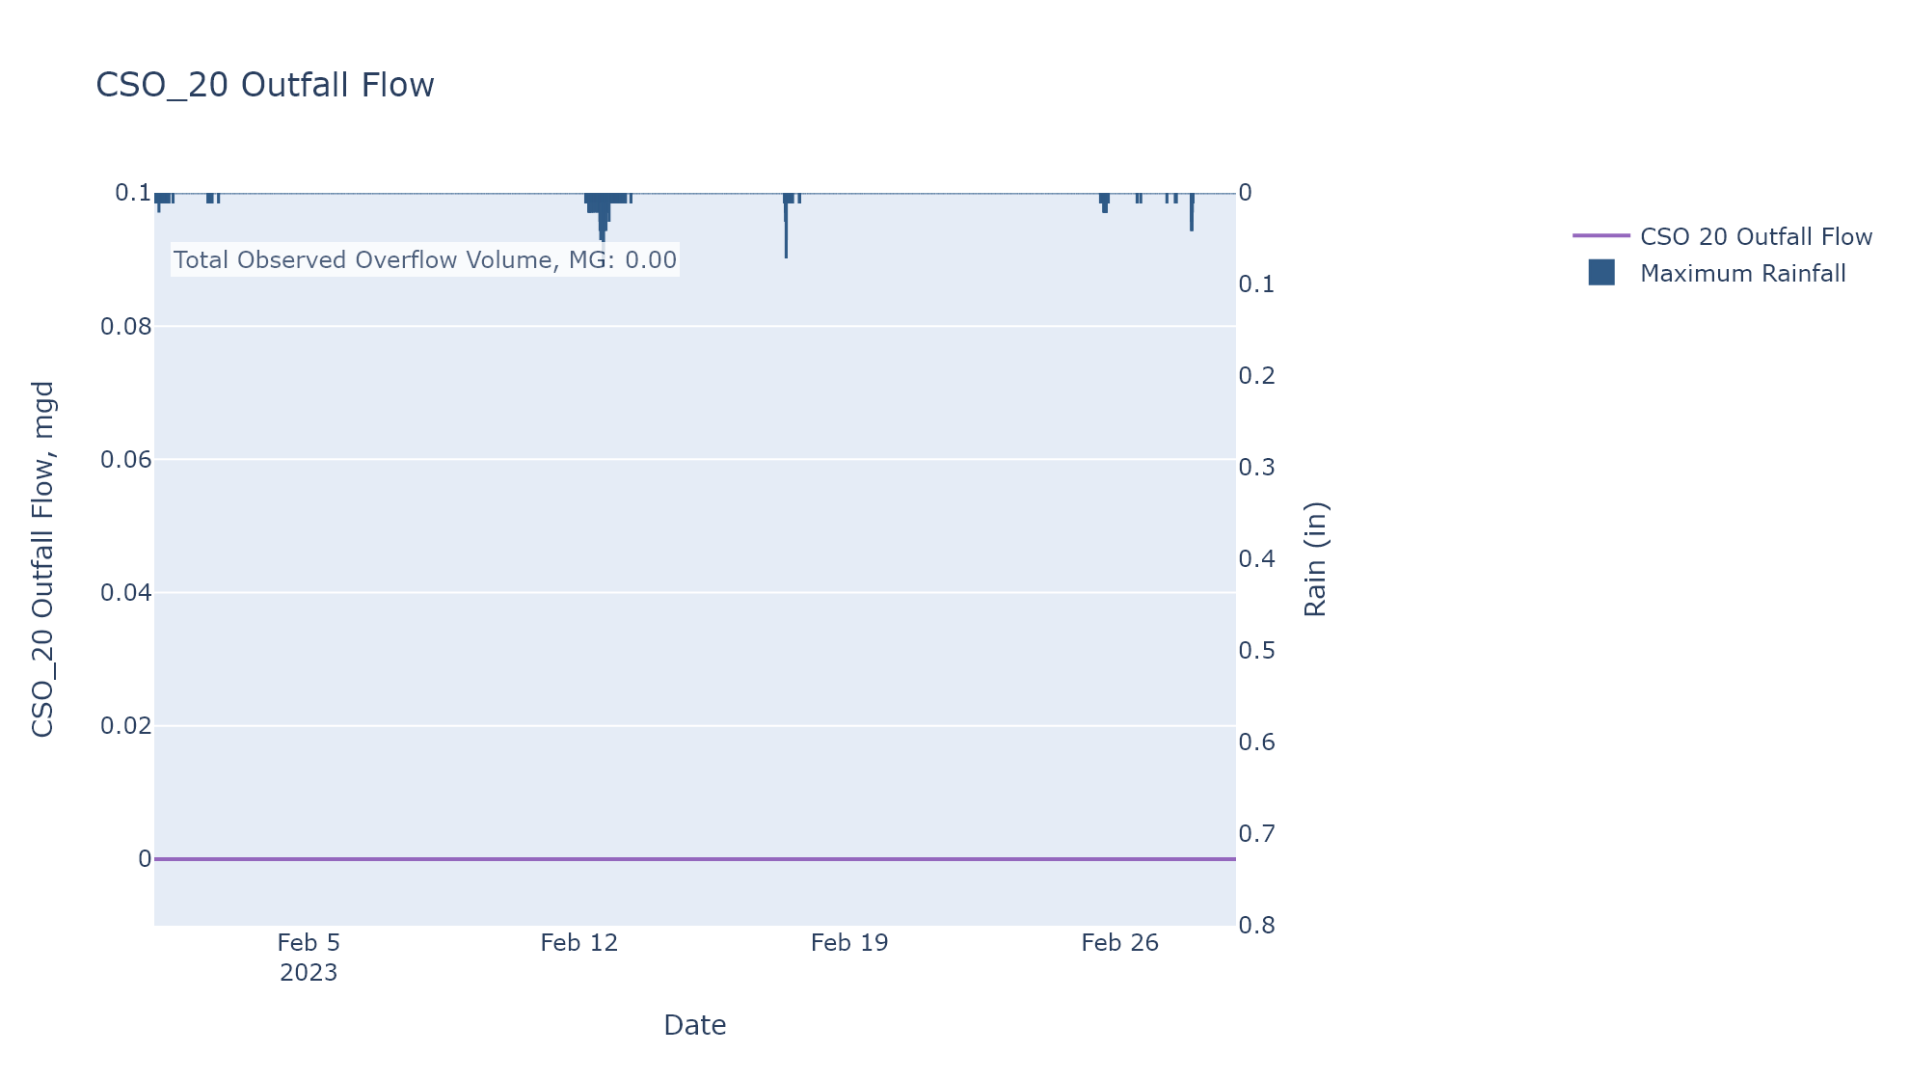

CSO_21-Events
CSO_21 Feb2023 Overflow Events

 | start | end | Rainfall, in | Observed Overflow Volume, MG
2023Feb12 | 2023-02-12 | 2023-02-13 | 1.57 | 0.081
2023Feb16 | 2023-02-16 | 2023-02-19 | 0.25 | 0.072
2023Feb20 | 2023-02-20 | 2023-02-28 | 0.43 | 0

Note: Any observed negative flows could be backflow from James River

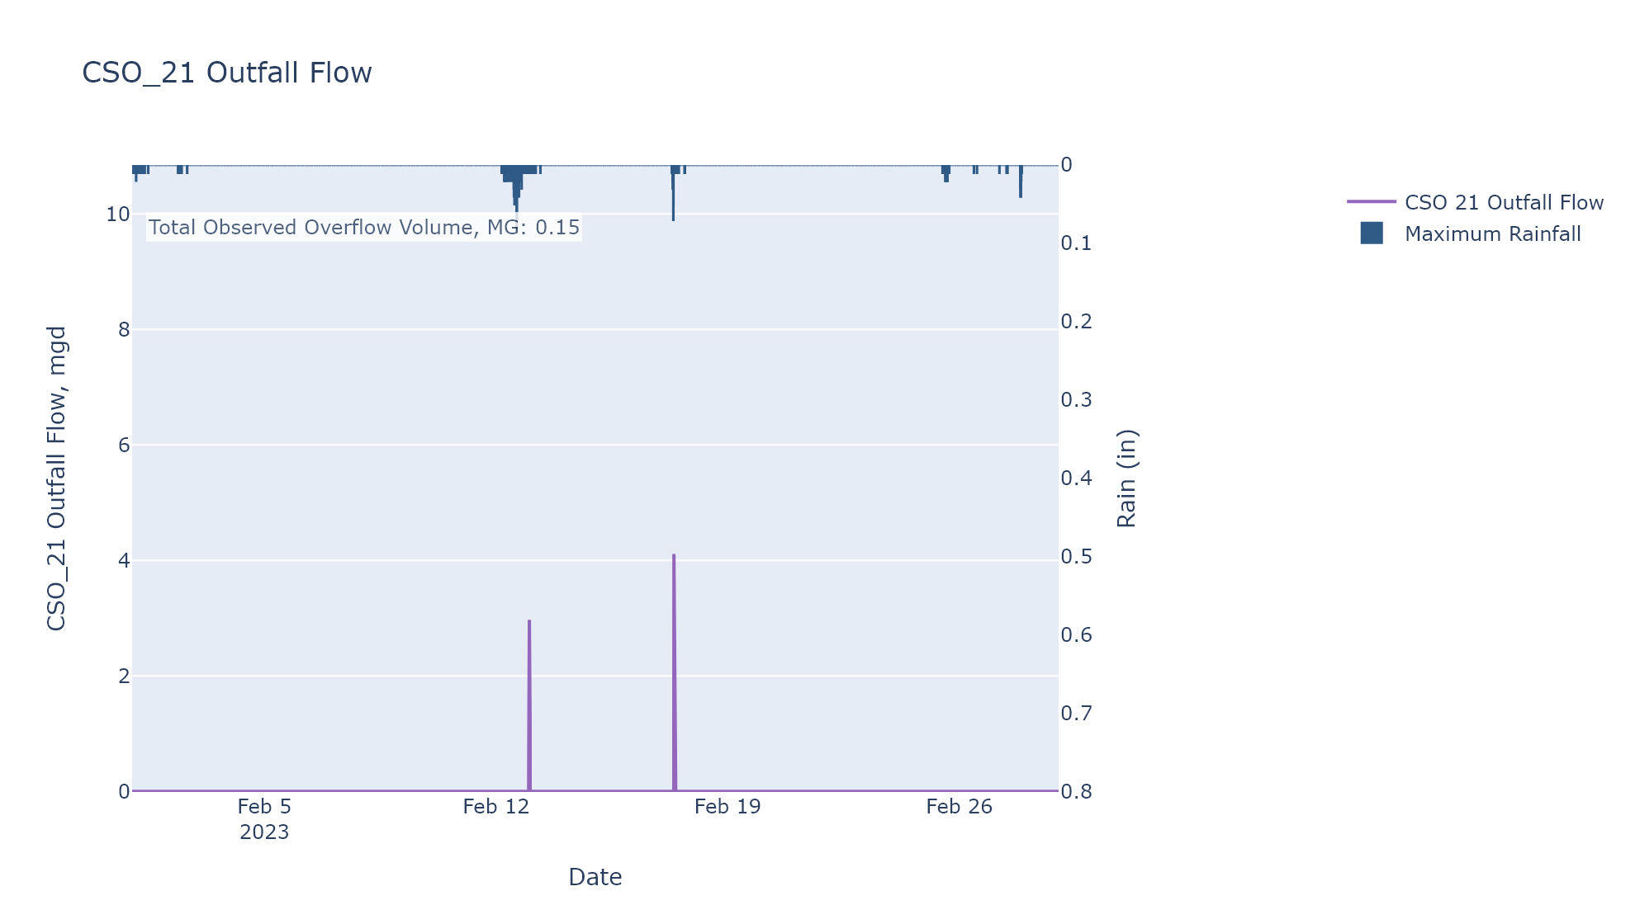

CSO_24-Events
CSO_24 Feb2023 Overflow Events

 | start | end | Rainfall, in | Observed Overflow Volume, MG
2023Feb17 | 2023-02-17 | 2023-02-17 | 0.03 | 0

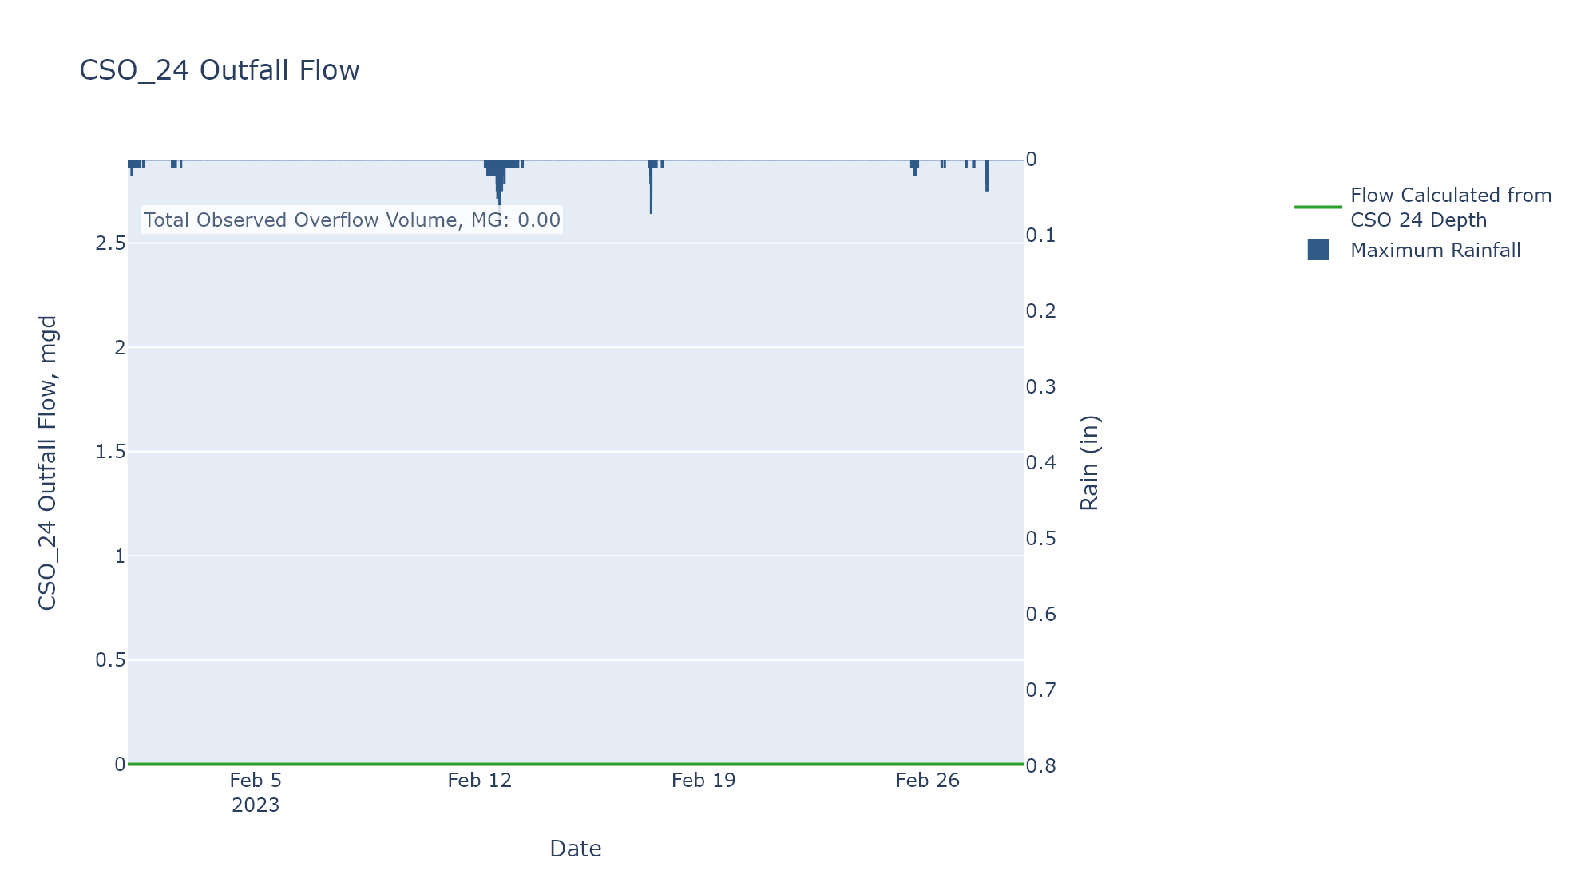

CSO_35-Events
CSO_35 Feb2023 Overflow Events

 | start | end | Rainfall, in | Observed Overflow Volume, MG
2023Feb12 | 2023-02-12 | 2023-02-12 | 0.78 | 0.015
2023Feb17 | 2023-02-17 | 2023-02-17 | 0.09 | 0.017
2023Feb25 | 2023-02-25 | 2023-02-25 | 0.17 | 0.011

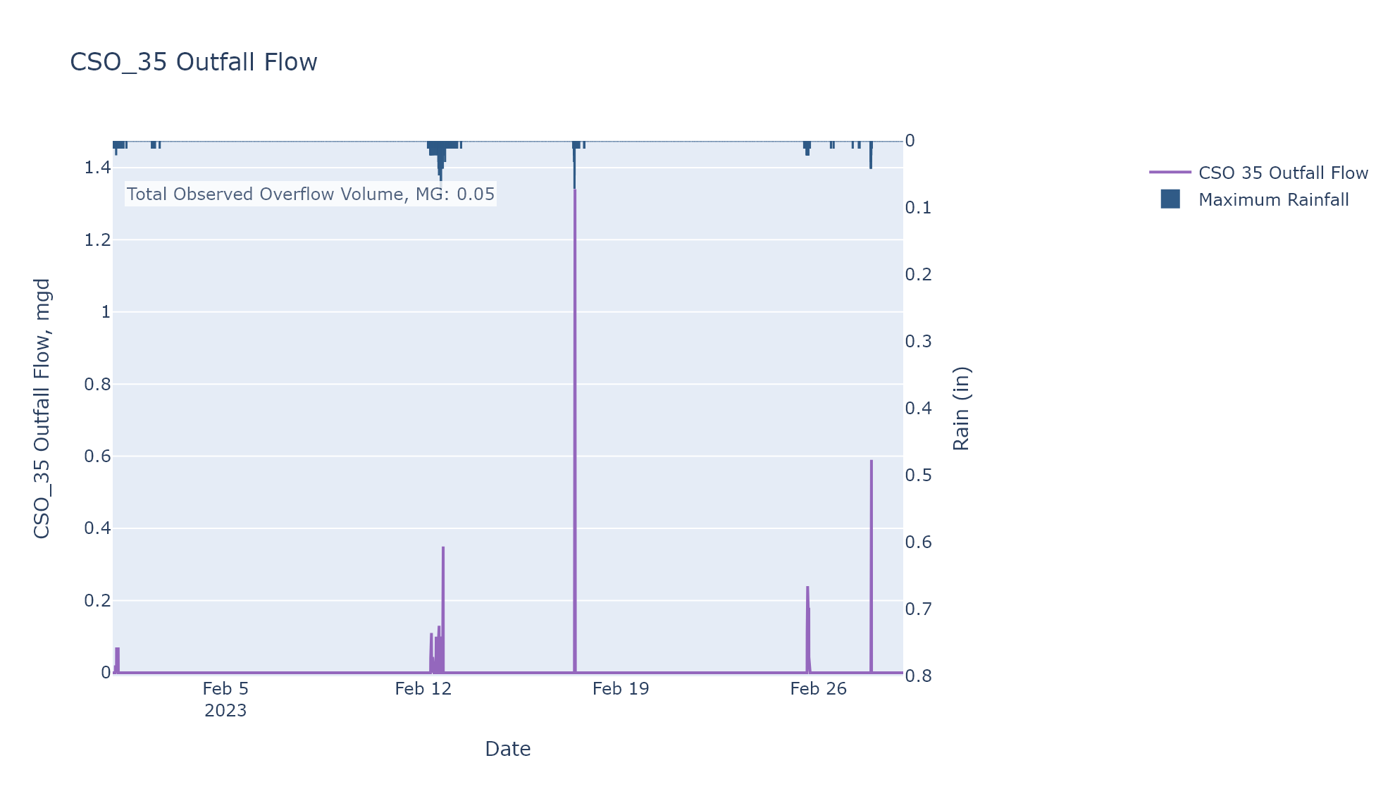

CSO_40-Events
CSO_40 Feb2023 Overflow Events

 | start | end | Rainfall, in | Observed Overflow Volume, MG
2023Feb04 | 2023-02-04 | 2023-02-05 | 0 | 0
2023Feb12 | 2023-02-12 | 2023-02-12 | 0.29 | 0.21
2023Feb17 | 2023-02-17 | 2023-02-17 | 0.08 | 0.211
2023Feb19 | 2023-02-19 | 2023-02-19 | 0 | 0.047
2023Feb25 | 2023-02-25 | 2023-02-25 | 0.08 | 0.013
2023Feb27 | 2023-02-27 | 2023-02-27 | 0.14 | 0.007

