CSO Summary
May2023 CSO Report
 | Observed
CSO_04 | 3.252
CSO_05 | 6.794
CSO_07 | 0.371
CSO_09 | 0
CSO_10 | 0
CSO_11 | 1.903
CSO_12 | 0.211
CSO_14 | 6.109
CSO_15 | 5.447
CSO_16 | 0
CSO_17 | 1.6
CSO_18 | 0
CSO_19 | 0
CSO_20 | 0
CSO_21 | 10.824
CSO_24 | 0.095
CSO_25 | 0.19
CSO_26 | 0.958
CSO_31 | 3.339
CSO_33 | 0
CSO_34 | 2.414
CSO_35 | 0.343
CSO_39 | 2.432
CSO_40 | 13.28
May2023 CSO Report
 | Observed
CSO_06 | 172.034
May2023 Overflow Summary
231.6 MG Overflow Observed
 | Sensor Type | % of Report with Good Data | Number of Observed Activations | Observed Overflow Volume, MG
CSO_04 | Flow | 100 | 2 | 3.252
CSO_05 | Flow | 100 | 1 | 6.794
CSO_06 | Flow | 100 | 3 | 172.034
CSO_07 | Flow | 100 | 1 | 0.371
CSO_09 | Level | 100 | 0 | 0
CSO_10 | Level | 100 | 0 | 0
CSO_11 | Level | 100 | 2 | 1.903
CSO_12 | Flow | 100 | 1 | 0.211
CSO_14 | Level | 100 | 1 | 6.109
CSO_15 | Flow | 100 | 1 | 5.447
CSO_16 | Level | 100 | 0 | 0
CSO_17 | Level | 100 | 1 | 1.6
CSO_18 | Level | 100 | 0 | 0
CSO_19 | Level | 100 | 0 | 0
CSO_20 | Flow | 100 | 0 | 0
CSO_21 | Flow | 100 | 1 | 10.824
CSO_24 | Level | 100 | 1 | 0.095
CSO_25 | Level | 100 | 1 | 0.19
CSO_26 | Level | 100 | 1 | 0.958
CSO_31 | Level | 100 | 1 | 3.339
CSO_33 | Level | 100 | 0 | 0
CSO_34 | Flow | 100 | 2 | 2.414
CSO_35 | Flow | 100 | 2 | 0.343
CSO_39 | Flow | 100 | 2 | 2.432
CSO_40 | Flow | 100 | 3 | 13.28
System | N/A | N/A | 4 | 231.596

CSO_04-Events
CSO_04 May2023 Overflow Events

 | start | end | Rainfall, in | Observed Overflow Volume, mg | overflow_duration_hours
2023May07 | 2023-05-07 | 2023-05-07 | 0.36 | 0.025 | 0.25
2023May16 | 2023-05-16 | 2023-05-17 | 3.03 | 3.227 | 4.42

Note: Activations are defined by CSO volumes > 0.01 MG and an interevent time of 72 hours
Note: Any observed negative flows could be backflow from James River

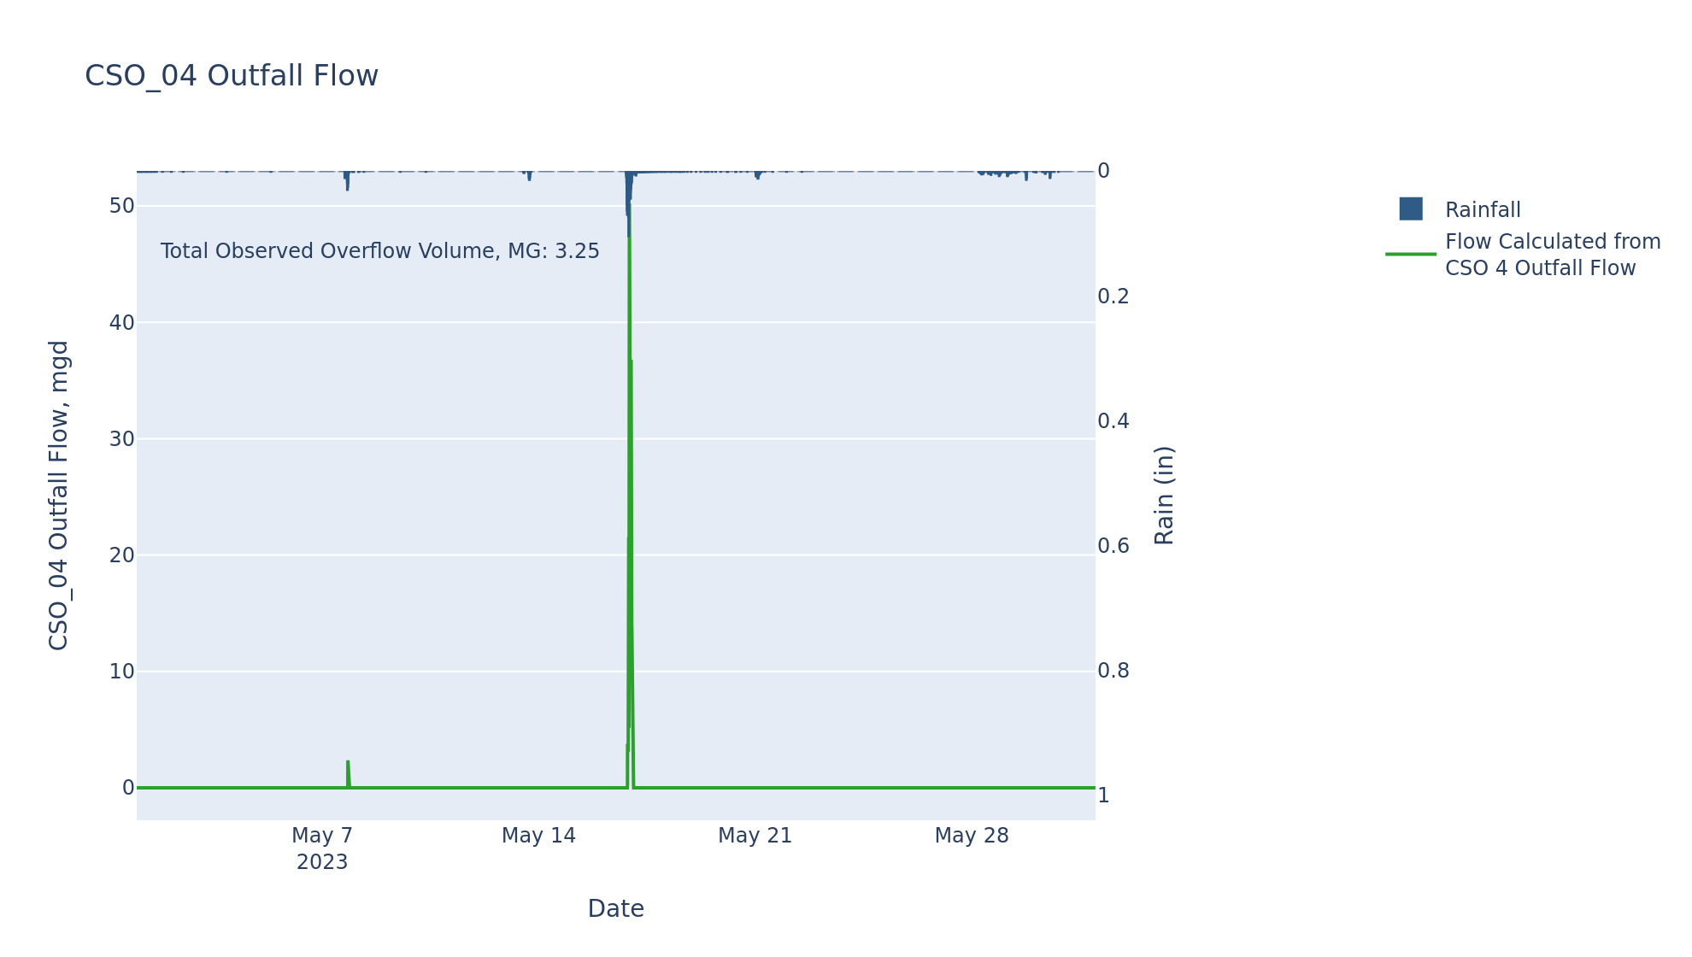

CSO_05-Events
CSO_05 May2023 Overflow Events

 | start | end | Rainfall, in | Observed Overflow Volume, mg | overflow_duration_hours
2023May16 | 2023-05-16 | 2023-05-17 | 3.1 | 6.794 | 12.17

Note: Activations are defined by CSO volumes > 0.01 MG and an interevent time of 72 hours
Note: Any observed negative flows could be backflow from James River

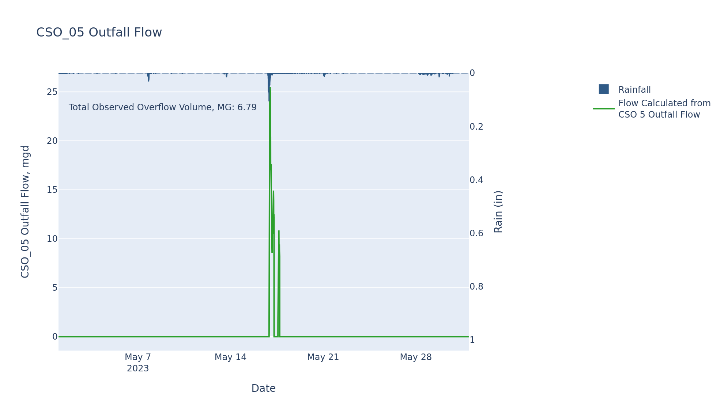

CSO_06-Events
CSO_06 May2023 Overflow Events

 | start | end | Rainfall, in | Observed Overflow Volume, mg | overflow_duration_hours
2023May01 | 2023-05-01 | 2023-05-01 | 0.01 | 1.5 | 1.33
2023May16 | 2023-05-16 | 2023-05-18 | 3.1 | 170.363 | 27.25
2023May29 | 2023-05-29 | 2023-05-30 | 0.69 | 0.171 | 0.75

Note: Activations are defined by CSO volumes > 0.01 MG and an interevent time of 72 hours
Note: Any observed negative flows could be due to high James River levels and flow eddies within structure

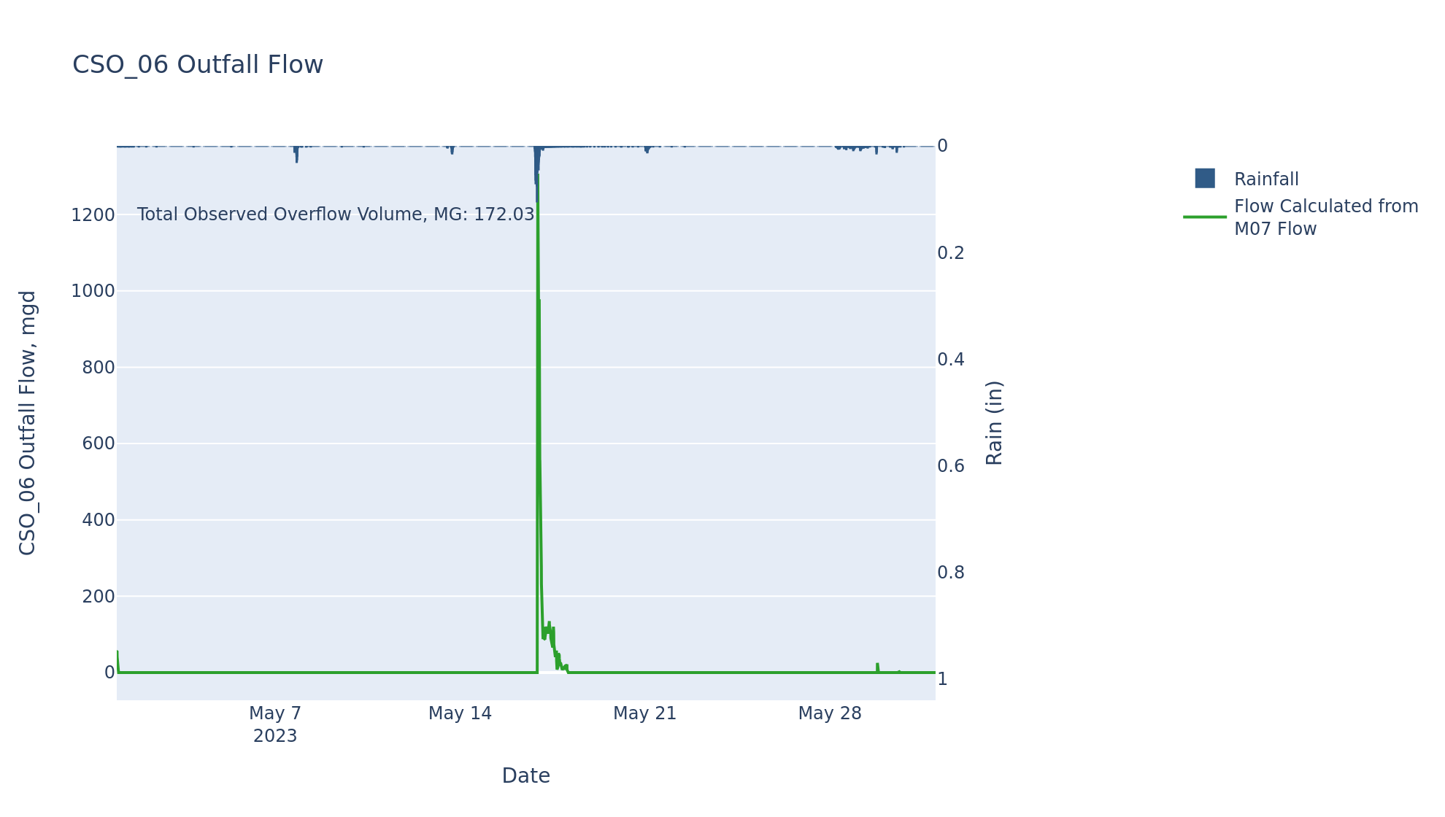

CSO_07-Events
CSO_07 May2023 Overflow Events

 | start | end | Rainfall, in | Observed Overflow Volume, mg | overflow_duration_hours
2023May16 | 2023-05-16 | 2023-05-16 | 2.94 | 0.371 | 1.17

Note: Activations are defined by CSO volumes > 0.01 MG and an interevent time of 72 hours

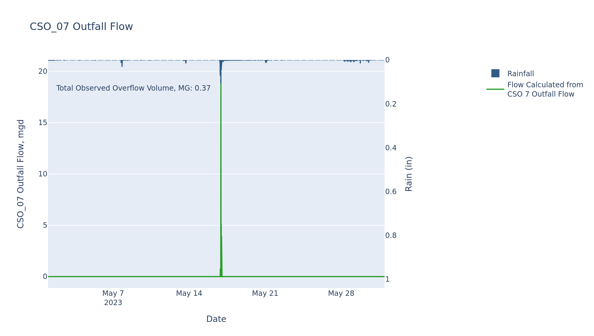

CSO_09-Events
CSO_09 May2023 Overflow Events

No Overflow Events Recorded for CSO_09

Note: Activations are defined by CSO volumes > 0.01 MG and an interevent time of 72 hours

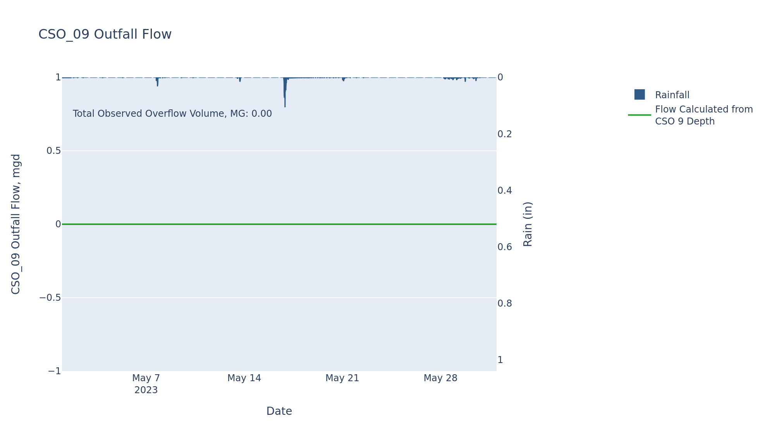

CSO_10-Events
CSO_10 May2023 Overflow Events

No Overflow Events Recorded for CSO_10

Note: Activations are defined by CSO volumes > 0.01 MG and an interevent time of 72 hours

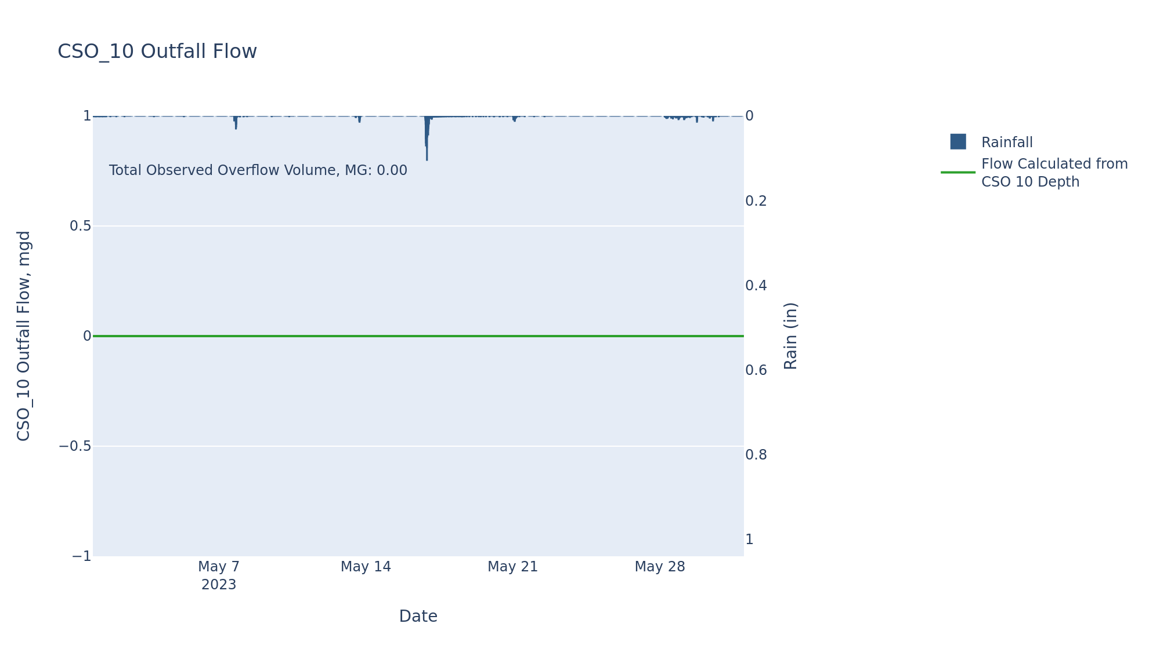

CSO_11-Events
CSO_11 May2023 Overflow Events

 | start | end | Rainfall, in | Observed Overflow Volume, mg | overflow_duration_hours
2023May07 | 2023-05-07 | 2023-05-07 | 0.36 | 0.141 | 0.5
2023May16 | 2023-05-16 | 2023-05-17 | 3.03 | 1.762 | 3.42

Note: Activations are defined by CSO volumes > 0.01 MG and an interevent time of 72 hours

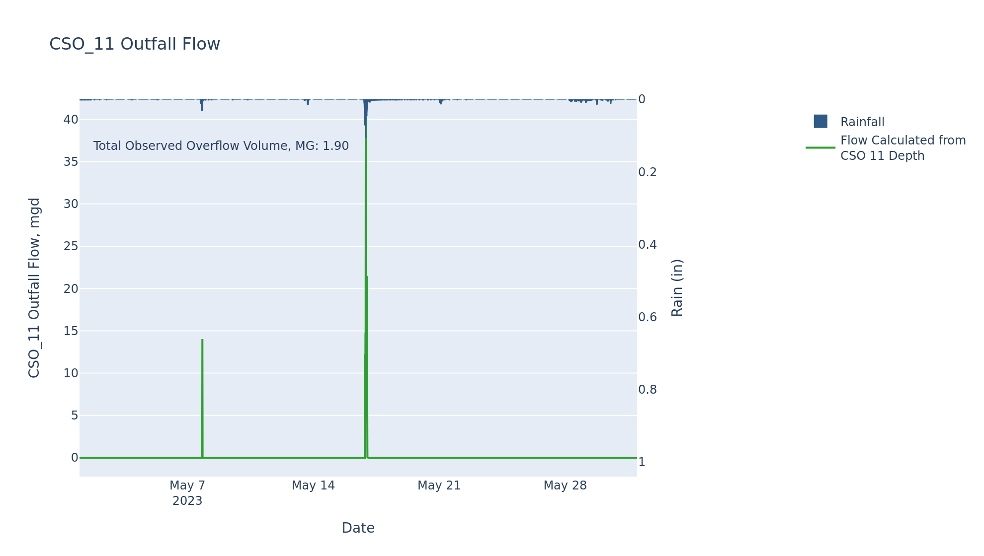

CSO_15-Events
CSO_15 May2023 Overflow Events

 | start | end | Rainfall, in | Observed Overflow Volume, mg | overflow_duration_hours
2023May16 | 2023-05-16 | 2023-05-17 | 3.03 | 5.447 | 4.75

Note: Activations are defined by CSO volumes > 0.01 MG and an interevent time of 72 hours

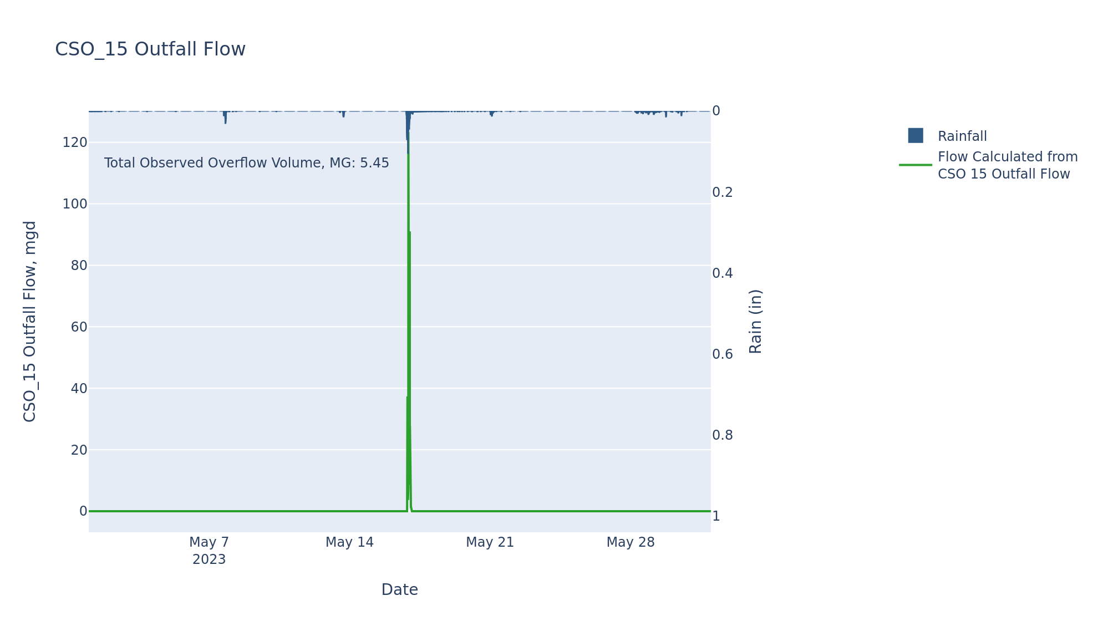

CSO_20-Events
CSO_20 May2023 Overflow Events

No Overflow Events Recorded for CSO_20

Note: Activations are defined by CSO volumes > 0.01 MG and an interevent time of 72 hours

